Summaries
Ploughing Summaries

ICBC | Total Hours Complete | Families Impacted | Hectares | Status | Payment | Contractor | ICBC Ploughing Project 2024
Bulunga ICBC | 50 | 34 | 75 | Completed | Paid |  | Total Hours Complete | 1856.6
Engcamini ICBC | 50 | 33 | 75 | Completed | Paid |  | Families Impacted | 1236
Hawane ICBC | 50 | 42 | 75 | Completed | Paid |  | Hectares | 2784.9
ICBC PLOUGHING PROJECT 2025
Jubukweni ICBC | 50 | 22 | 75 | Completed | Paid
KaLiba ICBC | 50 | 32 | 75 | Completed | Paid
KaNcesi | 0 | 0 | 0 | Not Started | None
Gebeni ICBC | 51 | 36 | 76.5 | Completed | Paid
Gundvwini ICBC | 50 | 33 | 75 | Completed | Paid
Lundzi ICBC | 50 | 26 | 75 | In Progress | Paid
Lushikishini ICBC | 33 | 21 | 49.5 | COMPLETE - NMC | Paid
Lonhlalane ICBC | 50 | 50 | 75 | Completed | Paid
Mabhukwini ICBC | 55 | 34 | 82.5 | Completed | Paid
Mabhukwini Community Fields | 11 |  | 16.5 | Completed | None
Makhungutja | 50 | 27 | 75 | Completed | Paid
Mangcongco ICBC | 50.7 | 32 | 76.05 | Completed | Paid
Mbowane ICBC | 0 | 0 | 0 | Not Started | None
Mcuba ICBC | 50 | 34 | 75 | Completed | Paid
Mlindazwe ICBC | 50 | 33 | 75 | Completed | Paid
Mhlangatane ICBC | 50 | 50 | 75 | Completed | Paid
Njakeni ICBC | 50 | 40 | 75 | Completed | Paid
Mantabeni ICBC | 70 | 58 | 105 | Completed | Paid
Msahweni ICBC | 51 | 47 | 76.5 | Completed | Paid
Ntondozi ICBC | 50.9 | 37 | 76.35 | Completed | Paid
Nyakeni | 27 | 23 | 40.5 | Completed | Paid
Nyathela ICBC | 50 | 26 | 75 | Completed | Paid |  | Progress Report on ICBC Sites
Nyamane ICBC | 46 | 42 | 69 | Completed | Paid
Ngwenya ICBC | 50 | 34 | 75 | Completed | Paid
Ngwempisi ICBC | 50 | 31 | 75 | Completed | Paid |  | Completed Ploughing | 35
Nsingweni ICBC | 22 | 18 | 33 | In Progress | To be Paid
Nsubane ICBC | 35 | 15 | 52.5 | Completed | Paid
Phonjwane ICBC | 51 | 34 | 76.5 | Completed | Paid
Sibovini | 51 | 29 | 76.5 | Completed | Paid
Sigangeni ICBC | 52 | 22 | 78 | Completed | Paid
Sigengeni ICBC | 50 | 25 | 75 | Completed | Paid
Sigombeni ICBC | 50 | 40 | 75 | Completed | Paid
Tibane | 50 | 18 | 75 | Completed | Paid
Esigcaweni ICBC | 50 | 32 | 75 | Completed | Paid
Mhlabubovu ICBC | 50 | 31 | 75 | In Progress - NMC | Paid
Phuzweni | 50 | 36 | 75 | Completed | Paid
Mpuluzi | 50 | 32 | 75 | Completed | Paid
Zondwako ICBC | 50 | 27 | 75 | Completed | Paid
Total | 1856.6 | 1236 | 2784.9 | 0 | 37

Gebeni
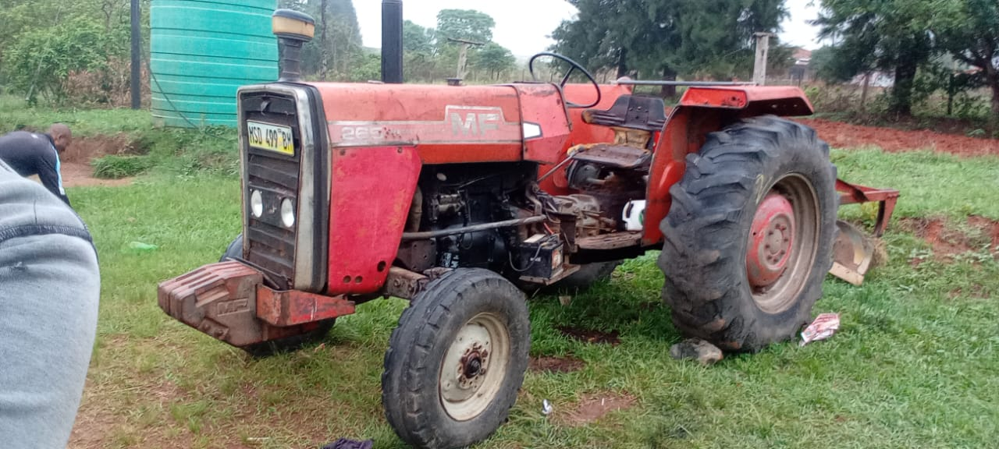
ICBC Ploughing Project
 | Completed
Name of ICBC: | Gebeni ICBC |  |  | Name of Pastor | Sipho Mdluli
Contractor's Full Name | SZ Investment (Sithabiso Zwane) |  |  | Contractor's ID Number
Bank | First National Bank |  |  | Account Holder's Name | Sithabiso Zwane
Branch Code | 281864 |  |  | Account Number | 62853630533

Community Member’s Name & Surname | Contact Details | Date | Start Time (Date & Time) | Completion time (Date & Time) | Number of Hours | Actual Number of Hours | Amount | Location
Mr Robert Vilakati | 78180538 | 11/2/25 |  |  | 2 | 1 | 200.00
Titus Dlamini | 76478178 | 11/1/25 |  |  | 2 | 1 | 200.00
Mr Seluleko Vilakati | 76919069 | 11/4/25 |  |  | 1 | 1 | 200.00
Mr Mxolisi Vilakati | 76034480 | 11/2/25 |  |  | 1 | 1 | 200.00
Gogo V | 76085415 | 11/2/25 |  |  | 2 | 1 | 200.00
Mr France Mndzebele | 76180442 | 11/4/25 |  |  | 2 | 2 | 400.00
Make Masangane | 79397236 | 11/8/25 |  |  | 1 | 1 | 200.00
Mr Nicholas Mabuza | 76224315 | 11/4/25 | 11/1/25 (2 Hours) | 11/4/25 (2 Hours) | 4 | 4 | 800.00
Mr Nelson Mdluli | 79080259 | 11/10/25 |  |  | 3 | 3 | 600.00
Mr Boniface Mdluli | 79397236 | 11/4/25 |  |  | 1 | 1 | 200.00
KaMavimbela (Anastacia) | 78155350 | 11/1/25 |  |  | 2 | 2 | 400.00
Melani Dlamini | 79828919/76153240 | 11/10/25 |  |  | 2 | 1 | 200.00
Mr Mpostoli Mazibuko | 79395067 | 11/4/25 |  |  | 1 | 1 | 200.00
Mr Thulane Dlamini | 76048961 | 11/1/25 |  |  | 2 | 1 | 200.00
Mr Lucky Dlamini | 76258468 | 11/1/25 |  |  | 2 | 2 | 400.00
Takangwane Ndwande | 79383804 | 11/5/25 |  |  | 2 | 2 | 400.00
Mumcy Dlamini | 76372196 | 11/8/25 |  |  | 2 | 2 | 400.00
David Mabuza (from Muzwabo) | 79491067 | 11/6/25 |  |  | 2 | 2 | 400.00
Maheshe Mndzebele | 76712562 | 11/5/25 |  |  | 2 | 2 | 400.00
Mr Mfanaleni Mndzebele | 79258007 | 11/2/25 |  |  | 1 | 1 | 200.00
Gogo Malinga (replacing Maxwell) | 76473419 | 11/5/25 |  |  | 2 | 2 | 400.00
Nonhle Mtsetfwa | 79652950 | 11/5/25 |  |  | 2 | 1 | 200.00
Tula Ndlovu | 79556383 | 11/5/25 |  |  | 2 | 1 | 200.00
Gogo Zwane |  | 11/1/25 |  |  | 1 | 1 | 200.00
Make Msibi | 76836819 | 11/4/25 |  |  | 1 | 1 | 200.00
Gogo Mabuza (Hour from Tula) |  | 11/5/25 |  |  |  | 1 | 200.00
Phindile Dlamini |  | 11/6/25 |  |  |  | 1 | 200.00
Gogo Nkhonde |  | 11/6/25 |  |  |  | 1 | 200.00
Mr Shilesh Mabuza |  | 11/6/25 |  |  |  | 2 | 400.00
Make Khumalo |  | 11/6/25 |  |  |  | 2 | 400.00
Sipho Mdluli |  | 11/8/25 |  |  |  | 1 | 200.00
Sicelo Mndzebele |  | 11/8/25 |  |  |  | 1 | 200.00
LaGadlela Ndwandwa |  | 11/8/25 |  |  |  | 1 | 200.00
Letta mdluli |  | 11/8/25 |  |  |  | 1 | 200.00
Mduduzi Vilakati |  | 11/8/25 |  |  |  | 1 | 200.00
Tara Mndzebele |  | 11/10/25 |  |  |  | 1 | 200.00
 |  |  |  |  |  |  | 0.00
 |  |  |  |  |  |  | 0.00
 |  |  |  |  |  |  | 0.00
 |  |  |  | Total | 45 | 51 | 10,200.00
 |  |  |  | Total number of fields ploughed | 36

 |  |  | Checked By

 |  |  | Signature

 |  |  | Date

Hawane

ICBC Ploughing Project |  |  |  |  |  |  |  |  | ICBC Ploughing Project
 | Completed |  |  |  |  |  |  |  |  | Completed
Name of ICBC: | Hawane ICBC |  |  | Name of Pastor | Timothy Makhanya |  |  |  | Name of ICBC: | Hawane ICBC |  |  | Name of Pastor | Timothy Makhanya
Contractor's Full Name | FNB Mbabane |  |  | Contractor's ID Number |  |  |  |  | Contractor's Full Name | CMS |  |  | Contractor's ID Number
Bank |  |  |  | Account Holder's Name | Themba Hleta |  |  |  | Bank |  |  |  | Account Holder's Name | Wilton Nkhambule
Branch Code |  |  |  | Account Number | 62232811861 |  |  |  | Branch Code |  |  |  | Account Number | 200 000 66185

Community Member’s Name & Surname | Contact Details | Date | Start Time (Date & Time) | Completion time (Date & Time) | Number of Hours | Actual Number of Hours | Amount | Location | Community Member’s Name & Surname | Contact Details | Date | Start Time (Date & Time) | Completion time (Date & Time) | Number of Hours | Actual Number of Hours | Amount | Location
Mkhonta Next to Hawane Primary | 78633443 | 2025-10-27 |  |  |  | 1 | 200.00 |  | Ps Timothy Makhanya |  | 20/11/24 |  |  | 1.5 | 1.5 | 450.00
Sithole Next to Hawane Primary | 76476536 | 2025-10-27 |  |  |  | 1 | 200.00 |  | Ps Timothy Makhanya |  | 20/11/24 |  |  | 1.2 | 1.2 | 360.00
Joyce Lukhele | 76771194 | 2025-10-27 |  |  |  | 2 | 400.00 |  | Ps Timothy Makhanya |  | 21/11/24 |  |  | 1.2 | 1.2 | 360.00
Gogo Matsebula | 79879732 | 2025-10-27 |  |  |  | 1 | 200.00 |  |  |  |  |  |  |  |  | 0.00
Mbuso Ndlela | 76323489 | 2025-04-11 |  |  |  | 1 | 200.00 | 26° 12' 33.2003" S 31° 5' 41.5219" E |  |  |  |  |  |  |  | 0.00
Jabu Mlotshwa | 78300499 | 2025-04-11 |  |  |  | 1 | 200.00 | 26° 12' 34.4938" S 31° 5' 6.2732" E |  |  |  |  |  |  |  | 0.00
Siboniso Ntjalintjali | 76656417 | 2025-04-11 |  |  |  | 2 | 400.00 |  |  |  |  |  |  |  |  | 0.00
Peter Mabuza by the dam | 76933155 | 2025-04-11 |  |  |  | 2 | 400.00 | 26° 13' 6.2476" S 31° 5' 15.5807" E |  |  |  |  |  |  |  | 0.00
Gogo Magongo ngase FEA | 76596114 | 2025-04-11 |  |  |  | 2 | 400.00 |  |  |  |  |  |  |  |  | 0.00
Make Nombulelo | 7624 9886 | 2025-04-11 |  |  |  | 1 | 200.00 | 26° 10' 11.3369" S 31° 6' 24.9376" E |  |  |  |  |  |  |  | 0.00
Maduna | 78262620 | 2025-05-11 |  |  |  | 1 | 200.00 | 26° 10' 13.1639" S 31° 6' 25.0132" E |  |  |  |  |  |  |  | 0.00
KaDube eMhlosheni | 76034792 | 2025-05-11 |  |  |  | 1 | 200.00 |  |  |  |  |  |  |  |  | 0.00
Roman Nxumalo |  | 2025-05-11 |  |  |  | 1 | 200.00 |  |  |  |  |  |  |  |  | 0.00
Babe waLusanda Nxumalo | 7605 7085 | 5/11/25 |  |  |  | 1 | 200.00 |  |  |  |  |  |  |  |  | 0.00
Make Dlamini | 79258179 | 2025-06-11 |  |  |  | 1 | 200.00 | 26° 9' 53.964" S 31° 6' 21.4016" E |  |  |  |  |  |  |  | 0.00
Make Manzini | 76062704 | 2025-06-11 |  |  |  | 2 | 400.00 | 26° 9' 58.622" S 31° 6' 25.7324" E |  |  |  |  |  |  |  | 0.00
Makhanya | 7665 8129 | 2025-06-11 |  |  |  | 1 | 200.00 | 26° 10' 2.1342" S 31° 6' 12.4693" E |  |  |  |  |  |  |  | 0.00
KaMhlanga (Winile) | 76137999 | 2025-06-11 |  |  |  | 1 | 200.00 | 26° 11' 39.1913" S 31° 3' 22.8506" E |  |  |  |  |  |  |  | 0.00
Ndlangamandla next to dam | 78065362 | 2025-06-11 |  |  |  | 1 | 200.00 | 26° 13' 21.7582" S 31° 4' 39.0385" E |  |  |  |  |  |  |  | 0.00
Themba & Beauty Hlophe | 76416779 | 2025-06-11 |  |  |  | 2 | 400.00 |  |  |  |  |  |  |  |  | 0.00
Siniketiwe Dlamini | 76277422 | 2025-07-11 |  |  |  | 1 | 200.00 | 26° 13' 3.2614" S 31° 2' 45.0838" E
Bhembe by Hawane dam | 76754494 | 2025-11-10 |  |  |  | 1 | 200.00 | 26° 13' 0.4912" S 31° 5' 16.1416" E |  |  |  |  |  |  |  | 0.00
Mkhwanazi | 79739380 | 2025-11-10 |  |  |  | 1 | 200.00 | ]' |  |  |  |  |  |  |  | 0.00
Nkambule | 76857177 | 2025-11-10 |  |  |  | 1 | 200.00 | 26° 12' 51.1844" S 31° 5' 17.0563" E |  |  |  |  |  |  |  | 0.00
Kunene by Hawane dam | 76857177 | 2025-11-10 |  |  |  | 1 | 200.00 | 26° 13' 0.953" S 31° 5' 23.4287" E |  |  |  |  |  |  |  | 0.00
Mncina Mkhwanazi | 79982552 | 2025-11-10 |  |  |  | 1 | 200.00 | 26° 12' 42.6492" S 31° 5' 22.7479" E |  |  |  |  |  |  |  | 0.00
Sibandze | 76023881 |  |  |  |  | 1 | 200.00 |  |  |  |  |  |  |  |  | 0.00
Bill | 76117865 |  |  |  |  | 1 | 200.00 |  |  |  |  |  |  |  |  | 0.00
Star Mlotshwa | 79816197 |  |  |  |  | 1 | 200.00 |  |  |  |  |  |  |  |  | 0.00
Nkambule (White City) | 76932227 |  |  |  |  | 2 | 400.00 |  |  |  |  |  |  |  |  | 0.00
Dlamini | 79241618 |  |  |  |  | 1 | 200.00 |  |  |  |  |  |  |  |  | 0.00
Shabangu | 78126414 |  |  |  |  | 1 | 200.00
Mbuso Masina | 76115346 |  |  |  |  | 1 | 200.00 |  |  |  |  |  |  |  |  | 0.00
Mzwandile Matsebula | 78521959 |  |  |  |  | 1 | 200.00 |  |  |  |  |  |  |  |  | 0.00
Shongwe | 76073816 |  |  |  |  | 2 | 400.00 |  |  |  |  |  |  |  |  | 0.00
Dan Mkhwanazi | 79871537 |  |  |  |  | 1 | 200.00
Dlamini | 76136582 |  |  |  |  | 1 | 200.00
C.S Dlamini | 78183325 |  |  |  |  | 1 | 200.00
Mbingo | 76031270 |  |  |  |  | 1 | 200.00
Kunene | 76446495 |  |  |  |  | 1 | 200.00
Mkhwanazi | 79982552 |  |  |  |  | 1 | 200.00
Lukhuleni | 76956953 |  |  |  |  | 1 | 200.00 |  |  |  |  |  |  |  |  | 0.00
 |  |  |  | Total | 0 | 50 | 10,000.00 |  |  |  |  |  | Total | 3.9 | 3.9 | 1,170.00
 |  |  |  | Total number of fields ploughed | 42 |  |  |  |  |  |  |  | Total number of fields ploughed | 3

 |  |  | Checked By |  |  |  |  |  |  |  |  | Checked By
 |  |  | Signature |  |  |  |  |  |  |  |  | Signature
 |  |  | Date |  |  |  |  |  |  |  |  | Date

Kaliba
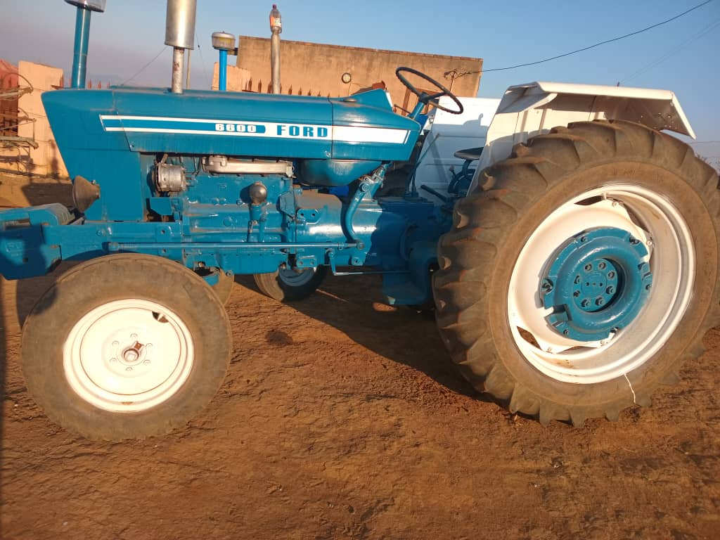
ICBC Ploughing Project
 | Completed
Name of ICBC: | KaLiba ICBC |  |  | Name of Pastor | Majahonkhe Tsabedze
Contractor's Full Name |  |  |  | Contractor's ID Number
Bank |  |  |  | Account Holder's Name
Branch Code |  |  |  | Account Number

Community Member’s Name & Surname | Contact Details | Date | Start Time (Date & Time) | Completion time (Date & Time) | Number of Hours | Actual Number of Hours | Amount | Location
Samkelo Myeni | 7614 8718 | 11/11/25 |  |  |  | 3 | 600.00
Sambane Fakudze | 7612 3830 | 11/11/25 |  |  |  | 1 | 200.00
Takhona Malindzisa | 76607815 | 11/11/25 |  |  |  | 1 | 200.00
Loheshe Dlamini | 7835 6640 | 11/11/25 |  |  |  | 1 | 200.00
Nokulunga Hlophe | 7813 9964 | 11/11/25 |  |  |  | 1 | 200.00
Lomsombuluko Malindzisa | 78261614 | 12/11/25 |  |  |  | 2 | 400.00
Ndlaleni Mabuza | 76518082 | 12/11/25 |  |  |  | 2 | 400.00
Khaya Mabuza | 78165052 | 12/11/25 |  |  |  | 2 | 400.00
Mbhasobhi Zungu | 7807 6200 | 12/11/25 |  |  |  | 1 | 200.00
Ezekiel Mabuza | 7614 8833 | 12/11/25 |  |  |  | 1 | 200.00
Nomzamo Malindzisa | 7673 7996 | 12/11/25 |  |  |  | 1 | 200.00
Sipho Fakudze | 78075156 | 13/11/25 |  |  |  | 3 | 600.00
Dumisa Fakudze | 76803606 | 13/11/25 |  |  |  | 1 | 200.00
Thulani Sithole | 7660 8129 | 13/11/25 |  |  |  | 1 | 200.00
Scelo Mkhweli | 7834 8129 | 13/11/25 |  |  |  | 2 | 400.00
Ntfombiyenkhosi Dlamini | 7694 5178 | 14/11/25 |  |  |  | 2 | 400.00
Philile Simelane | 7801 4305 | 14/11/25 |  |  |  | 1 | 200.00
Lubhokobhoko Dlamini | 76437743 | 14/11/25 |  |  |  | 2 | 400.00
Mncobi Mndzebele | 7676 5345 | 14/11/25 |  |  |  | 2 | 400.00
Jabulani Mamba | 76592621 | 26/11/25 |  |  |  | 1 | 200.00
Lonah Dlamini | 76774833 | 26/11/25 |  |  |  | 1 | 200.00
Eric Dlamini | 76894912 | 26/11/25 |  |  |  | 2 | 400.00
Mdumseni Shlongonyane | 76389677 | 26/11/25 |  |  |  | 1 | 200.00
LaMangwe Shlongonyane | 79209968 | 26/11/25 |  |  |  | 2 | 400.00
Nokwanda Jele | 78707159 | 26/11/25 |  |  |  | 1 | 200.00
Mnikwa Dlamini | 76967645 | 24/11/25 |  |  |  | 2 | 400.00
Sagila Malindzisa | 76721035 | 24/11/25 |  |  |  | 1 | 200.00
Gogo Makhubu | 76746433 | 24/11/25 |  |  |  | 1 | 200.00
Sphelele Dlamini | 78890323 | 24/11/25 |  |  |  | 2 | 400.00
Nonduduzo Malindzisa | 78408431 | 24/11/25 |  |  |  | 1 | 200.00
Majahonkhe Tsabedze | 76603443 | 27/11/25 |  |  |  | 2 | 400.00
Smanga Dlamini | 78033847 | 27/11/25 |  |  |  | 3 | 600.00
 |  |  |  |  |  |  | 0.00
 |  |  |  |  |  |  | 0.00
 |  |  |  |  |  |  | 0.00
 |  |  |  |  |  |  | 0.00
 |  |  |  |  |  |  | 0.00
 |  |  |  |  |  |  | 0.00
 |  |  |  |  |  |  | 0.00
 |  |  |  | Total | 0 | 50 | 10,000.00
 |  |  |  | Total number of fields ploughed | 32

 |  |  | Checked By
 |  |  | Signature
 |  |  | Date

KaNcesi
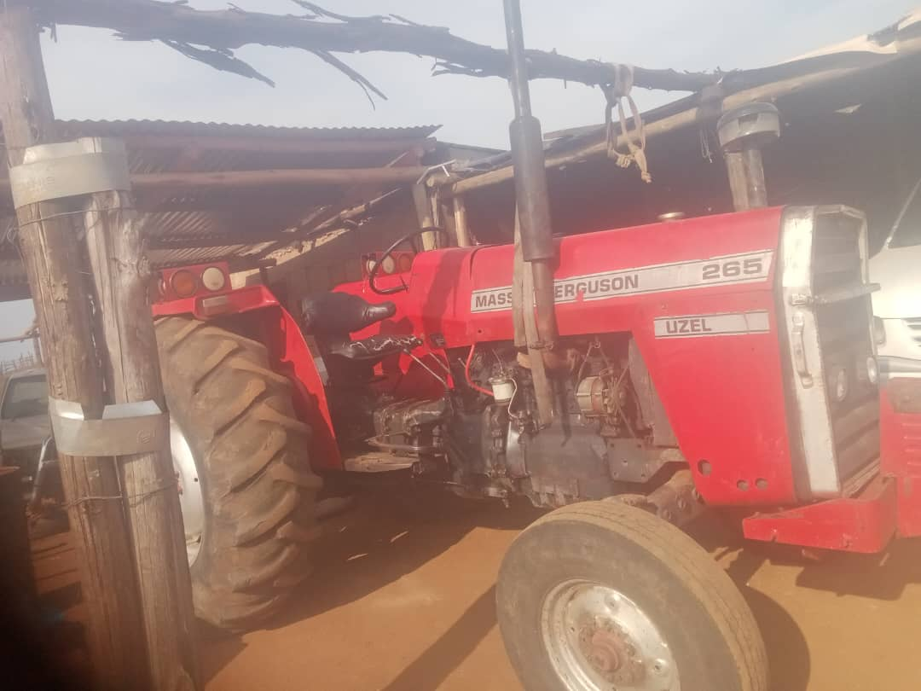
ICBC Ploughing Project
 | Not Started
Name of ICBC: | KaNcesi ICBC |  |  | Name of Pastor | Joel Tsela
Contractor's Full Name |  |  |  | Contractor's ID Number
Bank |  |  |  | Account Holder's Name
Branch Code |  |  |  | Account Number

Community Member’s Name & Surname | Contact Details | Date | Start Time (Date & Time) | Completion time (Date & Time) | Number of Hours | Actual Number of Hours | Amount | Location
 |  |  |  |  |  |  | 0.00
 |  |  |  |  |  |  | 0.00
 |  |  |  |  |  |  | 0.00
 |  |  |  |  |  |  | 0.00
 |  |  |  |  |  |  | 0.00
 |  |  |  |  |  |  | 0.00
 |  |  |  |  |  |  | 0.00
 |  |  |  |  |  |  | 0.00
 |  |  |  |  |  |  | 0.00
 |  |  |  |  |  |  | 0.00
 |  |  |  |  |  |  | 0.00
 |  |  |  |  |  |  | 0.00
 |  |  |  |  |  |  | 0.00
 |  |  |  |  |  |  | 0.00
 |  |  |  |  |  |  | 0.00
 |  |  |  |  |  |  | 0.00
 |  |  |  |  |  |  | 0.00
 |  |  |  |  |  |  | 0.00
 |  |  |  |  |  |  | 0.00
 |  |  |  |  |  |  | 0.00
 |  |  |  |  |  |  | 0.00
 |  |  |  |  |  |  | 0.00
 |  |  |  |  |  |  | 0.00
 |  |  |  |  |  |  | 0.00
 |  |  |  |  |  |  | 0.00
 |  |  |  |  |  |  | 0.00
 |  |  |  |  |  |  | 0.00
 |  |  |  |  |  |  | 0.00
 |  |  |  |  |  |  | 0.00
 |  |  |  |  |  |  | 0.00
 |  |  |  |  |  |  | 0.00
 |  |  |  |  |  |  | 0.00
 |  |  |  |  |  |  | 0.00
 |  |  |  |  |  |  | 0.00
 |  |  |  |  |  |  | 0.00
 |  |  |  |  |  |  | 0.00
 |  |  |  |  |  |  | 0.00
 |  |  |  |  |  |  | 0.00
 |  |  |  | Total | 0 | 0 | 0.00
 |  |  |  | Total number of fields ploughed | 0

 |  |  | Checked By
 |  |  | Signature
 |  |  | Date

Lonhlalane
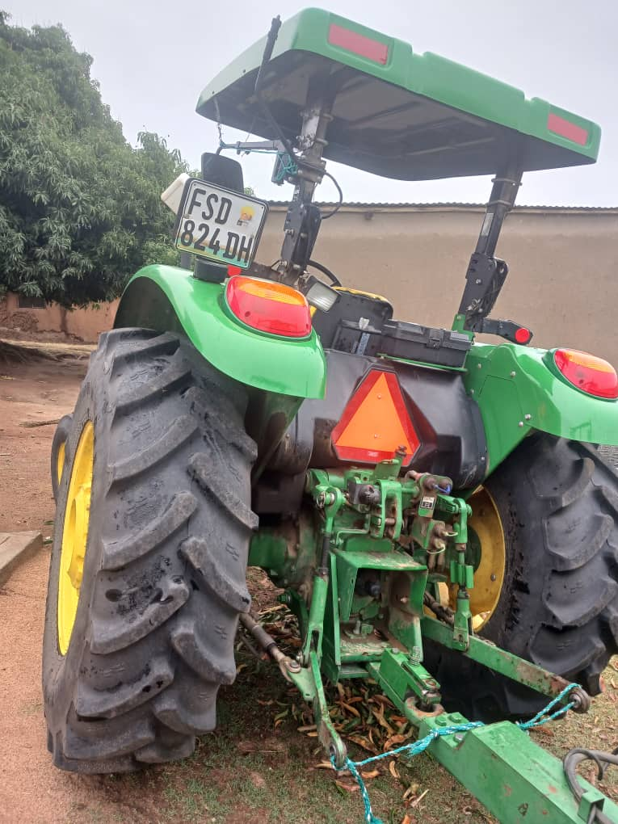
ICBC Ploughing Project
 | Completed
Name of ICBC: | Lonhlalane ICBC |  |  | Name of Pastor | Johannes Ndwandwe
Contractor's Full Name | Vusumuzi Mhlanga |  |  | Contractor's Number
Bank | Eswatini Bank |  |  | Account Holder's Name | Vulamehlo Zinyane
Branch Code | 770000 |  |  | Account Number | 77400342329

Community Member’s Name & Surname | Contact Details | Date | Start Time (Date & Time) | Completion time (Date & Time) | Number of Hours | Actual Number of Hours | Amount | Location
Solom Magagula | 76428819 | 2025-11-04 | 7h15 | 8h15 |  | 1 | 200.00
Nkomo Nelson | 78179944 | 2025-11-04 | 8h40 | 9h40 |  | 1 | 200.00
Nkomo Lindiwe | 76898410 | 2025-11-04 | 10h00 | 11h00 |  | 1 | 200.00
Lucky Gumedze | 76860207 | 2025-11-04 | 11h15 | 12h15 |  | 1 | 200.00
Nozipho Luhlanga | 78052181 | 2025-11-04 | 13h30 | 14h30 |  | 1 | 200.00
Gumedze Tfobhi | 76733059 | 2025-11-04 | 15h30 | 16h30 |  | 1 | 200.00
Malambe Thabile | 79957449 | 2025-11-06 | 6h10 | 7h10 |  | 1 | 200.00
Dlamini Ncamsile | 78544328 | 2025-11-06 | 8h00 | 9h00 |  | 1 | 200.00
Mhlanga Tapede | 76707757 | 2025-11-06 | 9h15 | 10h15 |  | 1 | 200.00
Mgabhi Mhlengi | 76510530 | 2025-11-06 | 11h40 | 12h40 |  | 1 | 200.00
Mvubu Cebile | 78285149 | 2025-11-06 | 13h35 | 14h35 |  | 1 | 200.00
Mvubu Sikelela | 76146460 | 2025-11-06 | 16h10 | 5h10 |  | 1 | 200.00
Mvubu Elizabeth | 76428707 | 2025-11-07 | 7h00 | 8h00 |  | 1 | 200.00
Makhabane Colani | 78333117 | 2025-11-07 | 8h15 | 9h15 |  | 1 | 200.00
Dlamini Lindiwe | 78116403 | 2025-11-07 | 9h40 | 10h40 |  | 1 | 200.00
Mahlalela Amose |  | 2025-11-07 | 11h10 | 12h10 |  | 1 | 200.00
Mahlalela Velaphi |  | 2025-11-07 | 14h00 | 15h00 |  | 1 | 200.00
Gumede Sabelo |  | 2025-11-09 | 8h00 | 9h00 |  | 1 | 200.00
Nkomo Moses |  | 2025-11-09 | 9h30 | 10h30 |  | 1 | 200.00
Mhlanga Sikhulile | 76814493 | 2025-11-09 | 11h15 | 12h15 |  | 1 | 200.00
Magagula Nomfundo | 76117266 | 2025-11-09 | 14h00 | 15h00 |  | 1 | 200.00
Sifundza Winile | 78462122 | 2025-11-09 | 16h20 | 17h20 |  | 1 | 200.00
Mhlanga Majahonkhe | 76952483 | 2025-11-09 | 17h30 | 18h30 |  | 1 | 200.00
Mngometulu Noxolo |  | 2025-11-09 | 6h40 | 19h40 |  | 1 | 200.00
Matsebula Ntombi | 78469406 | 2025-11-14 | 10h00 | 11h00 |  | 1 | 200.00
Gumedze Sibonanga | 76745159 | 2025-11-14 | 12h00 | 13h00 |  | 1 | 200.00
Magagula Mandla | 78726329 | 2025-11-14 | 15h15 | 16h00 |  | 1 | 200.00
Mvubu Samkelisiwe | 76317289 | 2025-11-14 | 17h09 | 18h09 |  | 1 | 200.00
Gumedze Mhawu | 76470323 | 2025-11-15 | 7h30 | 8h30 |  | 1 | 200.00
Mhlanga Zodwa | 76259686 | 2025-11-15 | 11h45 | 12h40 |  | 1 | 200.00
Gumedze Shushomba | 78262359 | 2025-11-22 | 11h00 | 12h00 |  | 1 | 200.00
Zodwa Lubhedze |  | 2025-11-22 | 14h15 | 15h10 |  | 1 | 200.00
Gcebile Hlatjwako | 76859261 | 2025-11-22 | 16h00 | 17h00 |  | 1 | 200.00
Malambe Khombisile | 78874674 | 2025-11-25 | 13h00 | 14h00 |  | 1 | 200.00
Lencane Mdambe | 76995162 | 2025-11-25 | 14h15 | 15h00 |  | 1 | 200.00
Mamba Nkosinathi | 76527858 | 2025-11-25 | 9h00 | 10h00 |  | 1 | 200.00
Lubhedze Mancoba | 76031665 | 2025-11-26 | 14h40 | 15h40 |  | 1 | 200.00
Malambe Zandile | 76396381 | 2025-11-26 | 7h00 | 8h03 |  | 1 | 200.00
Lubhedze Elizabeth | 76630441 | 2025-11-29 | 9h20 | 10h20 |  | 1 | 200.00
Dlamini Thembisile | 76578999 | 2025-11-29 | 15h00 | 16h00 |  | 1 | 200.00
Nhleko Siphiwe | 76994648 | 2025-12-02 | 10h40 | 11h09 |  | 1 | 200.00
Lubhedze Njabulo |  | 2025-12-02 | 13h15 | 14h15 |  | 1 | 200.00
Velaphi Magagula |  | 2025-12-05 | 08h00 | 9h00 |  | 1 | 200.00
Mandla Magagula |  | 2025-12-05 | 11h10 | 12h10 |  | 1 | 200.00
Grace Hlatjwako |  | 2025-12-07 | 7h45 | 8h30 |  | 1 | 200.00
Jabulile Malambe |  | 2025-12-07 | 10h15 | 11h15 |  | 1 | 200.00
Sibongile Lubhedze |  | 2025-12-07 | 14h50 | 15h50 |  | 1 | 200.00
Zodwa Nkambule |  | 2025-12-09 | 8h00 | 9h00 |  | 1 | 200.00
Nomasondo Simelane |  | 2025-12-09 | 12h10 | 1h10 |  | 1 | 200.00
Vuma Kunene |  | 2025-12-10 | 11h45 | 12h10 |  | 1 | 200.00
 |  |  |  |  |  |  | 0.00
 |  |  |  |  |  |  | 0.00
 |  |  |  |  |  |  | 0.00
 |  |  |  |  |  |  | 0.00
 |  |  |  | Total | 0 | 50 | 10,000.00
 |  |  |  | Total number of fields ploughed | 50

 |  |  | Checked By
 |  |  | Signature
 |  |  | Date

Mangcongco
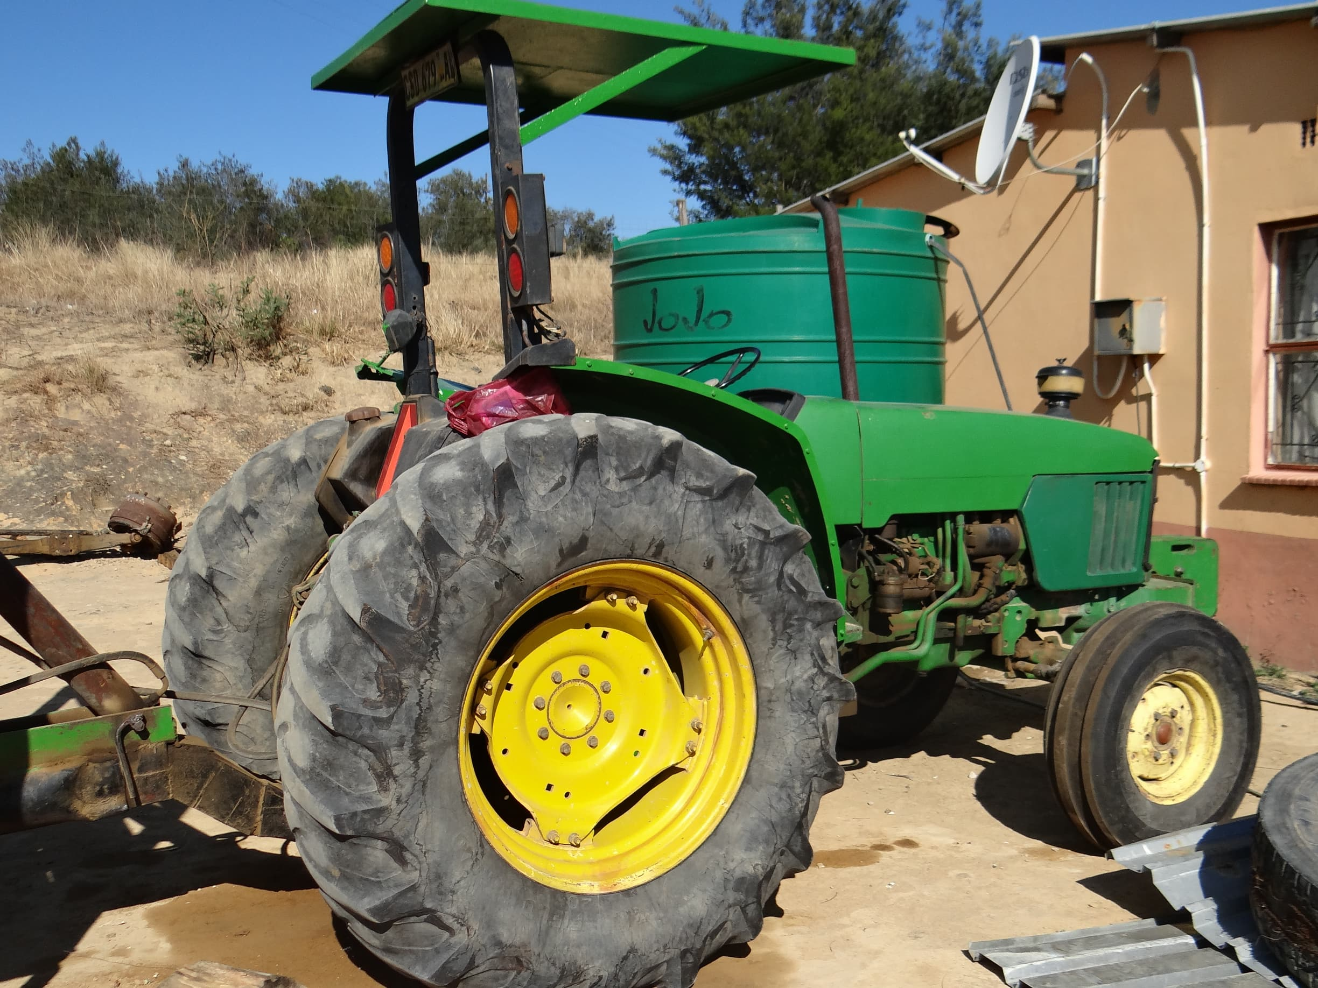
ICBC Ploughing Project
 | Completed
Name of ICBC: | Mangcongco ICBC |  |  | Name of Pastor | Ndumiso Dlamini

Contractor | Hlezephi Gugu Hlatjwako |  |  | Contractor's ID Number
Bank | First National Bank |  |  | Account Holder's Name | Swaziland Building Society
Branch Code |  |  |  | Account Number | 62121264212

Contractor |  |  |  | Account Holder's Name
Bank |  |  |  | Account Number

Community Member’s Name & Surname | Contact Details | Date | Start Time (Date & Time) | Completion time (Date & Time) | Number of Hours | Actual Number of Hours | Amount | Location
NDUMISO DLAMINI | 76766982 | 04/11/2025 | 0500HRS | 0700HRS |  | 2 | 400.00
LANGA ZWANE | 76910294 | 04/11/2025 | 0720HRS | 0815HRS |  | 0.9 | 180.00
BHEKIE KUNENE | 76674700 | 04/11/2025 | 0820HRS | 1020HRS |  | 2 | 400.00
JABULANI ZIKALALA | 76532375 | 04/11/2025 | 1025HRS | 1225HRS |  | 2 | 400.00
SOFIE MAMBA | 76337303 | 04/11/2025 | 1230HRS | 1330HRS |  | 1 | 200.00
MEBRA ZIKALALA | 76033446 | 04/11/2025 | 1335HRS | 1435HRS |  | 1 | 200.00
ENOCK ZWANE | 76784295 | 04/11/2025 | 1400HRS | 1420HRS |  | 2 | 400.00
MPHOHLO MABUZA | 76404190 | 04/11/2025 | 1640HRS | 1845HRS |  | 2 | 400.00
THEMBA ZWANE | 76421169 | 04/11/2025 | 1900HRS | 2100HRS |  | 2 | 400.00
NTOKOZO ZIKALALA | 76792418 | 05/11/2025 | 2105HRS | 2305HRS |  | 2 | 400.00
SARAH MAMBA | 76726340 | 05/11/2025 | 0500HRS | 0600HRS |  | 1 | 200.00
SIKUPHI DVUBA | 76910294 | 05/11/2025 | 0620HRS | 0720HRS |  | 1 | 200.00
BONGANI NGOZO | 76414506 | 05/11/2025 | 0725HRS | 0930HRS |  | 2 | 400.00
GOGO DVUBA | 76540628 | 05/11/2025 | 0940HRS | 1040HRS |  | 1 | 200.00
SANDILE SHSABANGU | 76281924 | 05/11/2025 | 1100HRS | 1300HRS |  | 2 | 400.00
BANGWAKO NGOZO | 76952325 | 05/11/2025 | 1305HRS | 1405HRS |  | 1 | 200.00
VULAMELHO ZIKALALA | 78610630 | 05/11/2025 | 1410HRS | 1510HRS |  | 1 | 200.00
DELISA DLAMINI | 78547433 | 05/11/2025 | 1520HRS | 1620HRS |  | 2 | 400.00
NANA ARGBERTO | 76616368 | 05/11/2025 | 1640HRS | 1840HRS |  | 2 | 400.00
JUSTICE MBULI | 78257514 | 05/11/2025 | 1900HRS | 2000HRS |  | 1 | 200.00
BONGANI DLAMINI | 76240946 | 05/11/2025 | 2010HRS | 2101HRS |  | 1 | 200.00
SIMANGELE ZIKALALA | 76442875 | 06/11/2025 | 0500HRS | 0600HRS |  | 1 | 200.00
NKHOSINATHI ZWANE | 78529675 | 06/11/2025 | 0610HRS | 0710HRS |  | 1 | 200.00
ELIZABETH ZIKALALA | 76742422 | 06/11/2025 | 0715HRS | 0915HRS |  | 2 | 400.00
ROY MBETSE | 76225689 | 06/11/2025 | 1000HRS | 1100HRS |  | 1 | 200.00
ZANDILE DLAMINI | 76766773 | 06/11/2025 | 1115HRS | 1215HRS |  | 1 | 200.00
MAJAHONKHE ZIKALALA | 76776440 | 06/11/2025 | 1225HRS | 1325HRS |  | 1 | 200.00
RUBEN ZWANE | 76383815 | 06/11/2025 | 1400HRS | 1600HRS |  | 2 | 400.00
SINDI ZIKALALA | 76173476 | 06/11/2025 | 1630HRS | 1830HRS |  | 2 | 400.00
SIFISO KUNENE | 76068684 | 07/11/2025 | 1500HRS | 1800HRS |  | 3 | 600.00
MAKE MKHWANAZI | 76735096 | 07/11/2025 | 1800HRS | 1900HRS |  | 1 | 200.00
GOGO HLATJWAKO | 76281747 | 07/11/2025 | 1915HRS | 2015HRS |  | 1 | 200.00
GLORY HLOPHE | 76754984 | 07/11/2025 | 2030HRS | 2130HRS |  | 1 | 200.00
TOM ZIKALALA | 76376017 | 07/11/2025 | 2140HRS | 2230HRS |  | 0.8 | 160.00
SAKAHMUZI ZIKALALA | 76516334 | 07/11/2025 | 2240HRS | 2340HRS |  | 1 | 200.00
 |  |  |  |  |  |  | 0.00
 |  |  |  |  |  |  | 0.00
 |  |  |  |  |  |  | 0.00
 |  |  |  | Total | 0 | 50.7 | 10,140.00
 |  |  |  | Total number of fields ploughed | 32

 |  |  | Checked By

 |  |  | Signature

 |  |  | Date

Makhungutja
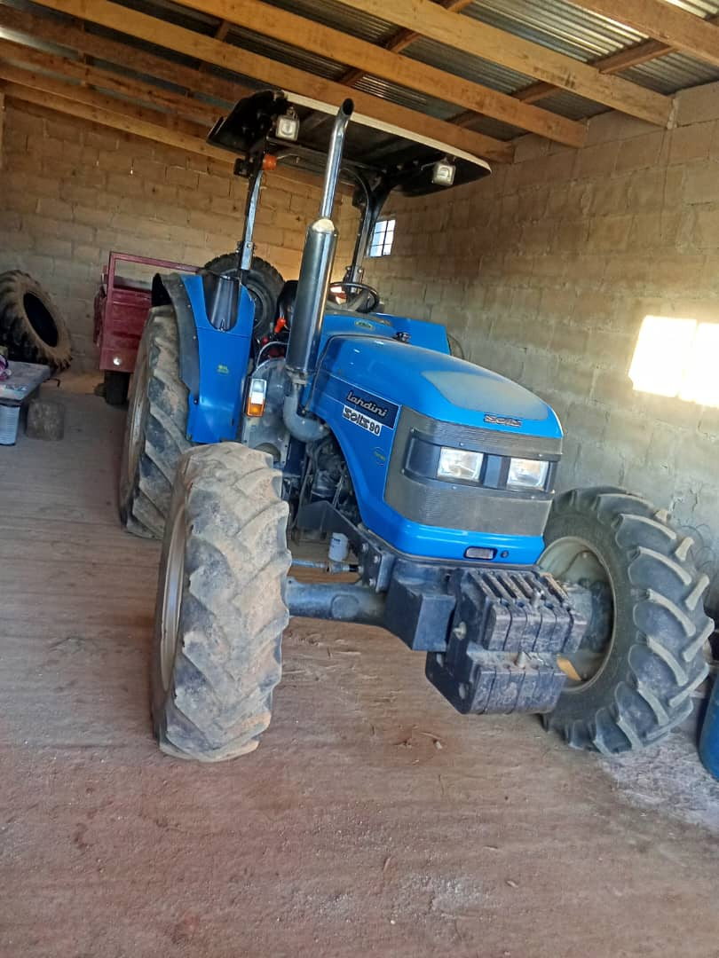
ICBC Ploughing Project
 | Completed
Name of ICBC: | Makhungutja ICBC |  |  | Name of Pastor | Simphiwe Jele

Contractor | Sambane Multi-purpose |  |  | Contractor's ID Number
Bank | Nedbank |  |  | Account Holder's Name | Sambane multi-purpose
Branch Code |  |  |  | Account Number | 12990142112

Community Member’s Name & Surname | Contact Details | Date | Start Time (Date & Time) | Completion time (Date & Time) | Number of Hours | Actual Number of Hours | Amount | Location
Twana Malinga | 76891635 | 22/09/2025 | 7:09AM | 10:10AM | 3 | 3 | 600.00
Lindiwe Malinga | 76603119 |  |  |  | 1 | 1 | 200.00
Constance Manyatsi | 76561923 |  |  |  | 1 | 1 | 200.00
Nonsikelelo Dludlu | 76409879 |  |  |  | 1 | 1 | 200.00
Bafana Dlamini | 76713052 |  |  |  | 3 | 3 | 600.00
Margret Hlophe | 76924611 |  |  |  | 2 | 2 | 400.00
Nhlanhla Vilakati | 76194923 |  |  |  | 2 | 2 | 400.00
Musa Vilakati | 76302463 |  |  |  | 1 | 1 | 200.00
Sipho Dlamini | 76588373 |  |  |  | 1 | 1 | 200.00
Nkonzo Mabeleza | 76424583 |  |  |  | 2 | 2 | 400.00
Ntokozo Zwane | 7627298 |  |  |  | 2 | 2 | 400.00
Boy Vilakati | 76424583 |  |  |  | 1 | 1 | 200.00
Thabani Hlophe | 78386148 |  |  |  | 2 | 2 | 400.00
Jabulani Nhlabatsi | 76901174 |  |  |  | 1 | 1 | 200.00
Mfanyana Malinga | 76737621 |  |  |  | 3 | 3 | 600.00
Lucy Zwane | 76880069 |  |  |  | 2 | 2 | 400.00
Phinda Nkambule | 76051092 |  |  |  | 3 | 3 | 600.00
Snaphu Hlophe | 76891933 |  |  |  | 2 | 2 | 400.00
Zwelithini Hlophe | 76257823 |  |  |  | 1 | 1 | 200.00
Mavela Hlophe | 78106160 |  |  |  | 1 | 1 | 200.00
Mahlasela Hlophe | 76327215 |  |  |  | 3 | 3 | 600.00
Lucky Vilakati | 78265998 |  |  |  | 2 | 2 | 400.00
Philimon Malinga | 79515405 |  |  |  | 2 | 2 | 400.00
Phindile Vilakati | 78895552 |  |  |  | 3 | 3 | 600.00
Skhulile Dvuba | 76550728 |  |  |  | 2 | 2 | 400.00
Mayala Malinga | 78269978 |  |  |  | 2 | 2 | 400.00
Nelile Phakathi | 78364019 |  |  |  | 1 | 1 | 200.00
 |  |  |  |  |  |  | 0.00
 |  |  |  |  |  |  | 0.00
 |  |  |  |  |  |  | 0.00
 |  |  |  |  |  |  | 0.00
 |  |  |  |  |  |  | 0.00
 |  |  |  |  |  |  | 0.00
 |  |  |  |  |  |  | 0.00
 |  |  |  |  |  |  | 0.00
 |  |  |  | Total | 50 | 50 | 10,000.00
 |  |  |  | Total number of fields ploughed | 27

 |  |  | Checked By

 |  |  | Signature

 |  |  | Date

Mantabeni
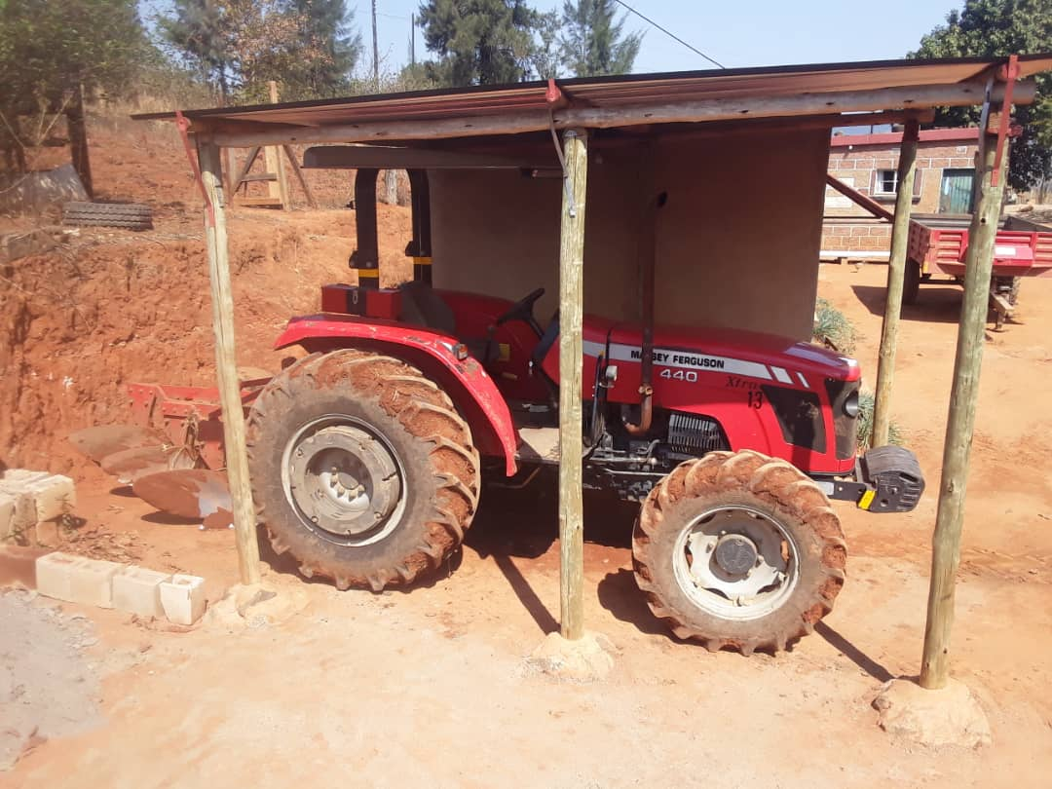
ICBC Ploughing Project
 | Completed
Name of ICBC: | Mantabeni ICBC |  |  | Name of Pastor | Bongani Titus Dlamini

Contractor | Ayanda Buhle Dlamini |  |  | Contractor's ID Number | 8609186100491
Bank | NEDBANK |  |  | Account Holder's Name | Ayanda Buhle Dlamini
Branch Code | 36064 |  |  | Account Number | 12991495442

Community Member’s Name & Surname | Contact Details | Date | Start Time (Date & Time) | Completion time (Date & Time) | Number of Hours | Actual Number of Hours | Amount | Location
Johannes Hlophe | 76143027 | 2025-11-05 | 5:20:00 | 7:20:00 |  | 2.5 | 500.00
Boy Nhlabatsi | 76724624 | 2025-11-05 | 7:20:00 | 8:50:00 |  | 1.5 | 300.00
Charity Hlophe | 76628080 | 2025-11-05 | 9:00:00 | 10:30:00 |  | 1.5 | 300.00
Mario Nhlabatsi | 76264577 | 2025-11-05 | 10:30:00 | 11:00:00 |  | 0.5 | 100.00
Elizabeth Nhlabatsi | 78285723 | 2025-11-05 | 11:30:00 | 12:30:00 |  | 1 | 200.00
Gogo Nkhambule | 76264419 | 2025-11-05 | 12:30:00 | 13:30:00 |  | 1 | 200.00
Veronica Mabaso | 76042627 | 2025-11-06 | 4:50:00 | 6:50:00 |  | 2 | 400.00
Thembinkosi Mabaso | 76370003 | 2025-11-06 | 6:55:00 | 8:30:00 |  | 1.5 | 300.00
Duma Mamba | 76224672 | 2025-11-06 | 8:35:00 | 10:35:00 |  | 2 | 400.00
Nomsa Lokotfwako | 76732931 | 2025-11-06 | 11:00:00 | 12:30:00 |  | 1.5 | 300.00
Lomagugu Mabaso | 76250317 | 2025-11-06 | 13:00:00 | 14:30:00 |  | 1.5 | 300.00
Gladys Dlamini | 78259902 | 2025-11-06 | 14:45:00 | 15:45:00 |  | 1 | 200.00
Sarah Lokotfwako |  | 2025-11-07 | 4:50:00 | 5:50:00 |  | 1 | 200.00
Samkeliso Lokotfwako | 78267330 | 2025-11-07 | 6:00:00 | 7:00:00 |  | 1 | 200.00
Mhlatase Lokotfwako |  | 2025-11-07 | 7:15:00 | 7:45:00 |  | 0.5 | 100.00
Thulisile Dlamini |  | 2025-11-07 | 7:50:00 | 8:20:00 |  | 0.5 | 100.00
Compton Nhlabatsi | 76429862 | 2025-11-07 | 8:20:00 | 9:20:00 |  | 1 | 200.00
Ntombifuthi Nhlabatsi |  | 2025-11-07 | 9:45:00 | 10:45:00 |  | 1 | 200.00
Gogo Hlophe |  | 2025-11-07 | 11:00:00 | 12:30:00 |  | 1.5 | 300.00
Bongiwe Gama | 76610850 | 2025-11-07 | 13:00:00 | 14:00:00 |  | 1 | 200.00
Letsiwe Ngwenya | 76634977 | 2025-11-08 | 5:30:00 | 6:30:00 |  | 1 | 200.00
Gogo Ngomane | 78121261 | 2025-11-08 | 6:35:00 | 8:35:00 |  | 2 | 400.00
Phindile Zwane | 79719761 | 2025-11-08 | 8:40:00 | 10:10:00 |  | 1.5 | 300.00
Gogo Nhlabatsi |  | 2025-11-08 | 10:15:00 | 10:45:00 |  | 0.5 | 100.00
Xolani Nhlabatsi | 79710470 | 2025-11-08 | 10:50:00 | 11:50:00 |  | 0.5 | 100.00
Musa Nhlabatsi |  | 2025-11-08 | 11:30:00 | 13:30:00 |  | 1.5 | 300.00
Senzo Dlamini | 76725660 | 2025-11-08 | 13:35:00 | 14:35:00 |  | 1 | 200.00
Nomthantazo Lokotfwako | 76369541 | 2025-11-08 | 14:35:00 | 15:35:00 |  | 1 | 200.00
Thabsile Msibi | 76222932 | 2025-11-08 | 15:40:00 | 17:10:00 |  | 1.5 | 300.00
Lungile Lokotfwako | 76380900 | 2025-11-08 | 17:15:00 | 18:45:00 |  | 1.5 | 300.00
Lobetswane Fakudze | 76552937 | 2025-11-10 | 5:10:00 | 6:40:00 |  | 1.5 | 300.00
Thembi Hlophe | 76342002 | 2025-11-10 | 6:40:00 | 8:10:00 |  | 1.5 | 300.00
Nozizwe Lokotfwako | 79912731 | 2025-11-10 | 8:40:00 | 10:10:00 |  | 1.5 | 300.00
Moses Mthiyane | 79739778 | 2025-11-10 | 10:25:00 | 11:25:00 |  | 1 | 200.00
Africa Shongwe | 78181874 | 2025-11-10 | 11:30:00 | 12:30:00 |  | 1 | 200.00
Philmon Khumalo | 76767955 | 2025-11-10 | 12:40:00 | 13:40:00 |  | 1 | 200.00
Skeyi Mamba | 79739545 | 2025-11-10 | 13:50:00 | 14:50:00 |  | 1 | 200.00
Thabsile Dlamini | 76506345 | 2025-11-11 | 5:00:00 | 6:00:00 |  | 1 | 200.00
Nomphumelelo Vilakati | 79733446 | 2025-11-11 | 6:25:00 | 7:25:00 |  | 1 | 200.00
Celani Mdziniso | 76281525 | 2025-11-11 | 7:40:00 | 8:10:00 |  | 0.5 | 100.00
Sambulo Lukhele |  | 2025-11-11 | 8:15:00 | 8:45:00 |  | 0.5 | 100.00
Gugu Nhlabatsi | 79175615 | 2025-11-11 | 9:00:00 | 10:00:00 |  | 1 | 200.00
Tenenle Zwane | 76228456 | 2025-11-11 | 10:00:00 | 13:30:00 |  | 3.5 | 700.00
Make Masilela | 76088289 | 2025-11-12 | 5:00:00 | 5:30:00 |  | 0.5 | 100.00
Phumzile Dlamini | 76148375 | 2025-11-12 | 6:30:00 | 7:30:00 |  | 1 | 200.00
Mgaco Dlamini | 76415058 | 2025-11-12 | 7:40:00 | 8:40:00 |  | 1 | 200.00
Velaphi Dlamini | 76119182 | 2025-11-12 | 8:50:00 | 9:50:00 |  | 1 | 200.00
Smart Nkomo |  | 2025-11-12 | 10:00:00 | 11:00:00 |  | 1 | 200.00
Ndumiso Dlamini |  | 2025-11-12 | 11:15:00 | 12:45:00 |  | 1.5 | 300.00
Bayanda Lokotfwako | 79201923 | 2025-11-12 | 13:00:00 | 14:30:00 |  | 1.5 | 300.00
Sihlongonyane |  | 2025-11-12 | 14:30:00 | 16:30:00 |  | 2 | 400.00
Gogo Nkhosi |  | 2025-11-12 | 16:40:00 | 17:40:00 |  | 1 | 200.00
Thabani Dlamini | 79314684 | 2025-11-13 | 5:00:00 | 6:30:00 |  | 1.5 | 300.00
Thembi Dlamini |  | 2025-11-13 | 6:35:00 | 7:35:00 |  | 1 | 200.00
Lindile Mamba | 76628279 | 2025-11-13 | 7:40:00 | 8:40:00 |  | 1 | 200.00
Thoko Mtsetfwa | 78279284 | 2025-11-13 | 8:45:00 | 9:45:00 |  | 1 | 200.00
Sipho Magagula |  | 2025-11-13 | 9:50:00 | 11:20:00 |  | 1.5 | 300.00
Bongani Dlamini | 76047622 | 2025-11-13 | 11:25:00 | 11:55:00 |  | 0.5 | 100.00
 |  |  |  |  |  |  | 0.00
 |  |  |  | Total | 0 | 70 | 14,000.00
 |  |  |  | Total number of fields ploughed | 58

 |  |  | Checked By

 |  |  | Signature

 |  |  | Date

Mbowane
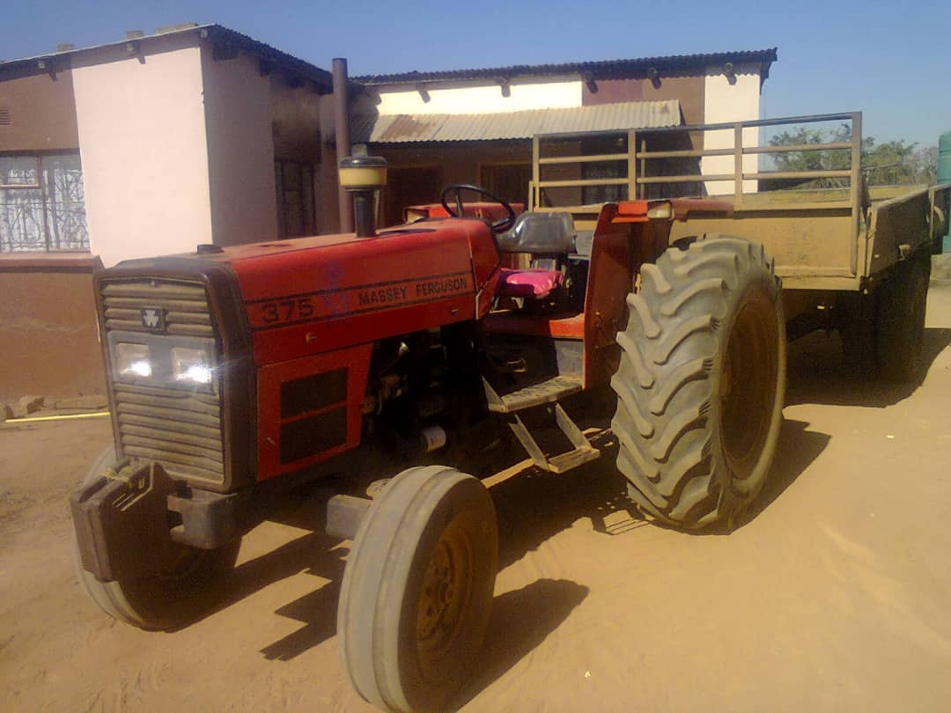
ICBC Ploughing Project
 | Not Started
Name of ICBC: |  | Mbowane ICBC |  |  | Name of Pastor | Bongani Mngometulu
Contractor's Full Name |  | Rose Vilane |  |  | Contractor's ID Number
Bank |  | Standard Bank |  |  | Account Holder's Name | Rose Vilane
Branch Code |  | Nhlangano code |  |  | Account Number | 9110002635588

Community Member’s Name & Surname |  | Contact Details | Date | Start Time (Date & Time) | Completion time (Date & Time) | Number of Hours | Actual Number of Hours | Amount | Location
 |  |  |  |  |  |  |  | 0.00
 |  |  |  |  |  |  |  | 0.00
 |  |  |  |  |  |  |  | 0.00
 |  |  |  |  |  |  |  | 0.00
 |  |  |  |  |  |  |  | 0.00
 |  |  |  |  |  |  |  | 0.00
 |  |  |  |  |  |  |  | 0.00
 |  |  |  |  |  |  |  | 0.00
 |  |  |  |  |  |  |  | 0.00
 |  |  |  |  |  |  |  | 0.00
 |  |  |  |  |  |  |  | 0.00
 |  |  |  |  |  |  |  | 0.00
 |  |  |  |  |  |  |  | 0.00
 |  |  |  |  |  |  |  | 0.00
 |  |  |  |  |  |  |  | 0.00
 |  |  |  |  |  |  |  | 0.00
 |  |  |  |  |  |  |  | 0.00
 |  |  |  |  |  |  |  | 0.00
 |  |  |  |  |  |  |  | 0.00
 |  |  |  |  |  |  |  | 0.00
 |  |  |  |  |  |  |  | 0.00
 |  |  |  |  |  |  |  | 0.00
 |  |  |  |  |  |  |  | 0.00
 |  |  |  |  |  |  |  | 0.00
 |  |  |  |  |  |  |  | 0.00
 |  |  |  |  |  |  |  | 0.00
 |  |  |  |  |  |  |  | 0.00
 |  |  |  |  |  |  |  | 0.00
 |  |  |  |  |  |  |  | 0.00
 |  |  |  |  |  |  |  | 0.00
 |  |  |  |  |  |  |  | 0.00
 |  |  |  |  |  |  |  | 0.00
 |  |  |  |  |  |  |  | 0.00
 |  |  |  |  |  |  |  | 0.00
 |  |  |  |  |  |  |  | 0.00 |  | Only One Hour and had registered for 2
 |  |  |  |  |  |  |  | 0.00
 |  |  |  |  | Total | 0 | 0 | 0.00
 |  |  |  |  | Total number of fields ploughed | 0

 |  |  |  | Checked By
 |  |  |  | Signature
 |  |  |  | Date

Mhlabubovu
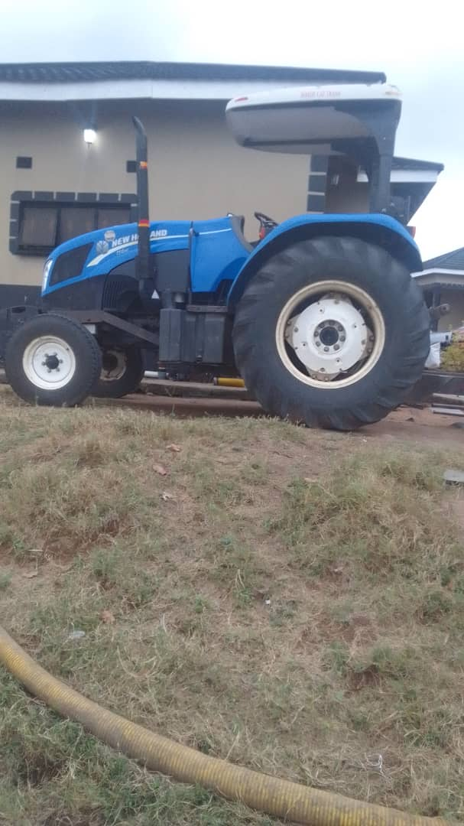
ICBC Ploughing Project
 | In Progress - NMC
Name of ICBC: | Mhlabubovu ICBC |  |  | Name of Pastor
Contractor's Full Name |  |  |  | Contractor's ID Number
Bank |  |  |  | Account Holder's Name
Branch Code |  |  |  | Account Number
Swift Code

Community Member’s Name & Surname | Contact Details | Date | Start Time (Date & Time) | Completion time (Date & Time) | Number of Hours | Actual Number of Hours | Amount | Location
Ncamiso B Maziya | 76992327 | 2025-11-24 |  |  | 3 | 3 | 600.00
Vuyisile Zikalala | 78135724 | 2025-12-04 |  |  | 1 | 2 | 400.00
Nonhlanhla Maseko | 76526942 | 2025-11-11 |  |  | 1 | 1 | 200.00
Xolile Zikalala | 76186122 | 2025-12-01 |  |  | 1 | 2 | 400.00
Thabo Simelane | 76202010 | 2025-11-11 |  |  | 1 | 1 | 200.00
Thoko Ndzimandze | 76421454 |  |  |  | 1 | 1 | 200.00
George Magongo | 76308687 | 2025-12-01 |  |  | 2 | 2 | 400.00
Ntombazanyana Shabangu | 76655428 | 2025-12-01 |  |  | 1 | 2 | 400.00
Lomathemba Sibandze | 76924050 |  |  |  | 1 | 1 | 200.00
Bheki S. Jele | 78139732 | 2025-12-01 |  |  | 2 | 2 | 400.00
Thulisile Mabuza | 793637579 |  |  |  | 1 | 1
Matha Vilakati | 76941810 |  |  |  | 1 | 1 | 200.00
Vangile Simelane | 76308687 | 2025-11-11 |  |  | 1 | 1 | 200.00
Sibongile Vilakati | 76728127 | 2025-12-04 |  |  | 1 | 1 | 200.00
Khanyisile Zibuko | 76987308 |  |  |  | 2 | 2 | 400.00
Thembi Dlamini | 76500316 |  |  |  | 1 | 1 | 200.00
Vusi Dlamini | 76268767 | 2025-12-04 |  |  | 1 | 2 | 400.00
Mavis Shabangu | 76592220 | 2025-12-01 |  |  | 1 | 2 | 400.00
Thuli Dlamini | 76514852 | 2025-12-04 |  |  | 1 | 1 | 200.00
Hlobsile Sikhondze | 76139107 | 2025-11-08 |  |  | 1 | 1 | 200.00
Roseline Mabuza | 7673504 | 2025-12-05 |  |  | 2 | 2 | 400.00
Khanya Shabangu | 76846112 |  |  |  | 3 |  | 0.00
Thoko Zikalala | 76863031 | 2025-11-06 |  |  | 2 | 2 | 400.00
Ncobile Jele | 76429991 | 2025-12-05 |  |  | 2 | 1 | 200.00
Khanyisile Makhanya | 76556401 | 2025-10-20 |  |  | 1 | 2 | 400.00
Thobile Shabangu | 78289560 |  |  |  | 1 | 1 | 200.00
L.M.G Royal Kraal | 76900721 |  |  |  | 6 |  | 0.00
Celiwe Shabangu | 76426634 | 2025-12-05 |  |  | 1 | 1 | 200.00
Sibongile Shabangu | 76363289 |  |  |  | 1 |  | 0.00
Martha Shabangu | 76043742 | 2025-11-11 |  |  | 2 | 2 | 400.00
Ntombifuthi Shabangu | 76276945 | 2025-11-11 |  |  | 1 | 1 | 200.00
Thuli Shabangu | 76615968 |  |  |  | 2 |  | 0.00
Indlunkhulu | 79483930 | 2025-10-22 |  |  |  | 6 | 1,200.00
Scara Maziya | 78406257 |  |  |  |  |  | 0.00
Nobuhle Mavuso | 76077227 | 2025-11-11 |  |  |  | 1 | 200.00
Ncamiso Maziya | 76992327 |  |  |  |  |  | 0.00
Khonzi Mdluli | 76420144 | 2025-12-04 |  |  |  | 1 | 200.00
 |  |  |  |  |  |  | 0.00
 |  |  |  |  |  |  | 0.00
 |  |  |  |  |  |  | 0.00
 |  |  |  |  |  |  | 0.00
 |  |  |  |  |  |  | 0.00
 |  |  |  |  |  |  | 0.00
 |  |  |  |  |  |  | 0.00
 |  |  |  |  |  |  | 0.00
 |  |  |  |  |  |  | 0.00
 |  |  |  |  |  |  | 0.00
 |  |  |  |  |  |  | 0.00
 |  |  |  |  |  |  | 0.00
 |  |  |  |  |  |  | 0.00

 |  |  |  | Total | 49 | 50 | 9,800.00
 |  |  |  | Total number of fields ploughed | 31

 |  |  | Checked By
 |  |  | Signature
 |  |  | Date

Mhlangatane
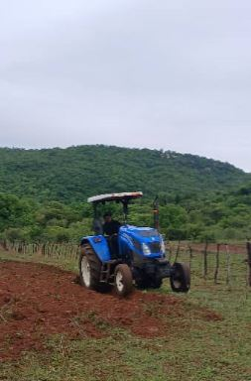
ICBC Ploughing Project
 | Completed
Name of ICBC: | Mhlangatane ICBC |  |  | Name of Pastor | Nhlanhla Tfwala
Contractor's Full Name | July Vusumuzi Mhlanga |  |  | Contractor's ID Number | 8007226100235
Bank | Nedbank |  |  | Account Holder's Name | July Vusumuzi Mhlanga
Branch Code | 360164 |  |  | Account Number | 12990364255
Swift Code | NESWSZMX

Community Member’s Name & Surname | Contact Details | Date | Start Time (Date & Time) | Completion time (Date & Time) | Number of Hours | Actual Number of Hours | Amount | Location
Babe Thembinkhosi Magagula | 76742615 | 2025-11-03 | 7:55am-8:55am |  |  | 1 | 200.00 | 25°51'19.1"S 31°35'55.8"E
Babe Sicelo Magagula | 76902579 | 2025-11-03 | 9:00am-10:00am |  |  | 1 | 200.00 | 25°51'19.1"S 31°35'55.8"E
Babe Sebenele Mabuza | 78174832 | 2025-11-03 | 10:30am-11:30am |  |  | 1 | 200.00 | 25°51'35.1"S 31°34'50.5"E
Babe Macitsane Mabuza | 76763192 | 2025-11-03 | 12:45pm-1:45pm |  |  | 1 | 200.00 | 25°51'35.1"S 31°34'50.5"E
Gogo Sehlephi | 76232912 | 2025-11-03 | 1:50pm-2:50pm |  |  | 1 | 200.00 | 25°51'35.1"S 31°34'50.5"E
Babe Giba Magagula | 76708857 | 2025-11-03 | 3:00pm-4:00pm |  |  | 1 | 200.00 | 26°01'00.1"S 31°32'44.7"E
Gogo Mkhulu | 76859834 | 2025-11-03 | 4:20pm-5:20pm |  |  | 1 | 200.00 | 26°01'29.2"S 31°37'56.7"E
George Magagula | 76683511 | 2025-11-03 | 5:30pm-6:30pm |  |  | 1 | 200.00 | 25°51'35.1"S 31°34'50.5"E
Babe Samuel Dlamini | 76594296 | 2025-11-01 | 6:00am-7:00am |  |  | 1 | 200.00 | 25°51'35.1"S 31°34'50.5"E
Babe Magolide Makhabane | 76377418 | 2025-11-01 | 7:15am-8:15am |  |  | 1 | 200.00 | 26°01'00.1"S 31°32'44.7"E
Babe Njabulo Nsingwane | 76785314 | 2025-11-01 | 8:20am-9:20am |  |  | 1 | 200.00 | 25°52'03.5"S 31°34'36.4"E
Make Irene Nsingwane | 78449564 | 2025-11-01 | 9:30am-10:30am |  |  | 1 | 200.00 | 25°52'43.0"S 31°34'15.9"E
Babe Mfanukhona Nsingwane | 76932616 | 2025-11-01 | 11:40am-12:40am |  |  | 1 | 200.00 | 25°52'43.0"S 31°34'15.9"E
Babe Lucky Sibiya | 78449635 | 2025-11-01 | 12:45pm-1:45pm |  |  | 1 | 200.00 | 25°48'54.2"S 31°24'51.3"E
Gogo Sigudla | 76375418 | 2025-11-01 | 1:50pm-2:50pm |  |  | 1 | 200.00 | 25°52'03.5"S 31°34'36.4"E
Make Gugu Sigudla | 76791718 | 2025-11-01 | 3:00pm-4:00pm |  |  | 1 | 200.00 | 25°51'11.2"S 31°33'56.6"E
Gogo Ndzimandze | 76601501 | 2025-11-01 | 4:10pm-5:10pm |  |  | 1 | 200.00 | 25°51'11.2"S 31°33'56.6"E
Babe Petty Ndzimandze | 78413330 | 2025-11-01 | 5:15pm-6:15pm |  |  | 1 | 200.00 | 25°51'35.1"S 31°34'50.5"E
Babe Dumisa Ndzimandze | 76305235 | 2025-11-01 | 6:20pm-7:20pm |  |  | 1 | 200.00 | 25°51'57.2"S 31°34'48.0"E
Babe Sibhayane Gumedze | 76514828 | 10/31/2025 | 7:45am -8:45am |  |  | 1 | 200.00 | 25°51'35.1"S 31°34'50.5"E
Joyce Ngwenyama | 78152660 | 10/31/2025 | 8:50am -9:50am |  |  | 1 | 200.00 | 25°48'54.2"S 31°24'51.3"E
Esther Shabangu | 78152660 | 10/31/2025 | 9:55am-10:55am |  |  | 1 | 200.00 | 25°51'35.1"S 31°34'50.5"E
Mgcabho Makhabane | 76589545 | 10/31/2025 | 11:00am-12:00pm |  |  | 1 | 200.00 | 25°51'58.0"S 31°34'49.2"E
Babili Makhabane | 76412591 | 10/31/2025 | 12:10pm-1:10pm |  |  | 1 | 200.00 | 25°51'11.2"S 31°33'56.6"E
Mlungsi Makhabane | 79163051 | 10/31/2025 | 1:15pm-2:15pm |  |  | 1 | 200.00 | 25°51'11.2"S 31°33'56.6"E
Gaga Makhabane | 76359347 | 10/31/2025 | 2:21pm-3:21pm |  |  | 1 | 200.00 | 25°51'11.2"S 31°33'56.6"E
Bhaleni Makhabane | 76422113 | 10/31/2025 | 3:25pm-4:25pm |  |  | 1 | 200.00 | 25°51'35.1"S 31°34'50.5"E
Philani Makhabane | 78401837 | 10/31/2025 | 4:30pm-5:30pm |  |  | 1 | 200.00 | 25°51'35.1"S 31°34'50.5"E
Bhekithemba Sibule | 76510522 | 10/31/2025 | 5:35pm-6:35pm |  |  | 1 | 200.00 | 25°51'35.1"S 31°34'50.5"E
Gogo Lozizwe Magagula | 76040470 | 2025-11-04 | 7:00am-8:00am |  |  | 1 | 200.00
Babe Cellphone Magagula | 78363307 | 2025-11-04 | 8:30am-9:30am |  |  | 1 | 200.00
Make Manikela | 76176134 | 2025-11-04 | 10:00am-11:00am |  |  | 1 | 200.00
Ciniso Magagula | 76693521 | 2025-11-04 | 11:20am-12:20pm |  |  | 1 | 200.00
Babe Sive Magagula | 76766076 | 2025-11-04 | 12:30pm-1:30pm |  |  | 1 | 200.00
Make Evelyn Dlamini | 76974467 | 2025-11-04 | 2:00pm-3:00pm |  |  | 1 | 200.00
Babe Sibusiso Mabuza | 76667648 | 2025-11-04 | 3:30pm-4:30pm |  |  | 1 | 200.00
Babe Themba Gina | 76246754 | 2025-11-04 | 5:00pm-6:00pm |  |  | 1 | 200.00
Philile Gumedze | 78280784 | 2025-11-05 | 7:45am-8:45am |  |  | 1 | 200.00
Babe Bongani Matsaba | 78031268 | 2025-11-05 | 9:00am-10:00am |  |  | 1 | 200.00
Babe Vusi Mabila | 76451631 | 2025-11-05 | 10:45am-11:45am |  |  | 1 | 200.00
Sibusiso Ntjalintjali | 78609381 | 2025-11-05 | 12:00pm-1:00pm |  |  | 1 | 200.00
Gogo M Magagula | 76233365 | 2025-11-05 | 1:15p-2:15pm |  |  | 1 | 200.00
Make Sibongile Sifundza | 76951041 | 2025-11-05 | 2:30pm-3:30pm |  |  | 1 | 200.00
Make laSibamba | 76963176 | 2025-11-05 | 3:45pm-4:45pm |  |  | 1 | 200.00
Make Malambe | 76233365 | 2025-11-05 | 5:15pm-6:15pm |  |  | 1 | 200.00
Babe Themba Shongwe | 76747537 | 2025-11-08 | 9:30am-10:30am |  |  | 1 | 200.00
Make Futhi Magagula | 76770950 | 2025-11-08 | 12:00am-1:00pm |  |  | 1 | 200.00
Babe Mfanufikile Gumedze | 76580081 | 2025-11-08 | 1:30pm-2:30pm |  |  | 1 | 200.00
Babe Sidumo Masuku | 76764837 | 2025-11-08 | 2:40pm-3:40pm |  |  | 1 | 200.00
Make Masuku laGumedze | 78214876 | 2025-11-08 | 4:00pm-5:00pm |  |  | 1 | 200.00

 |  |  |  | Total | 0 | 50 | 10,000.00
 |  |  |  | Total number of fields ploughed | 50

 |  |  | Checked By
 |  |  | Signature
 |  |  | Date

Mpuluzi
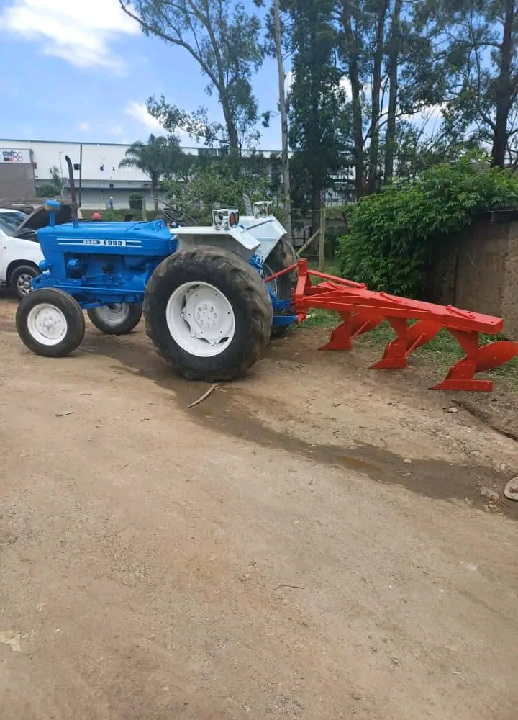
ICBC Ploughing Project
 | Completed
Name of ICBC: | Mpuluzi ICBC |  |  | Name of Pastor | Sibusiso Ndlangamandla
Contractor's Full Name |  |  |  | Contractor's ID Number
Bank |  |  |  | Account Holder's Name
Branch Code |  |  |  | Account Number

Community Member’s Name & Surname | Contact Details | Date | Start Time (Date & Time) | Completion time (Date & Time) | Number of Hours | Actual Number of Hours | Amount | Location
Make Goodness Zwane | 76360778 | 19/11/2025 |  |  |  | 2 | 400.00
Babe Sdumo Zwane | 76679326 | 19/11/2025 |  |  |  | 2 | 400.00
Babe Goodwill Nhlengetfwa | 76680023 | 19/11/2025 |  |  |  | 1 | 200.00
Babe Thabiso Nhlengetfwa | 76394998 | 19/11/2025 |  |  |  | 2 | 400.00
Gogo Sithole | 76965477 | 19/11/2025 |  |  |  | 2 | 400.00
Make Nelsiwe Nhlengetfwa | 76040651 | 19/11/2025 |  |  |  | 4 | 800.00
Gogo Maseko | 78629258 | 19/11/2025 |  |  |  | 1 | 200.00
Make Phumzile Dlamini | 76335479 | 20/11/2025 |  |  |  | 1 | 200.00
Bagcinile Dlamini | 76391318 | 20/11/2025 |  |  |  | 2 | 400.00
Make Nkhosingiphile Dlamini | 76612133 | 20/11/2025 |  |  |  | 2 | 400.00
Babe Sikelela Dlamini | 76790437 | 20/11/2025 |  |  |  | 2 | 400.00
Babe Ndiphethe Maseko | 76440714 | 20/11/2025 |  |  |  | 2 | 400.00
Babe Dumsane Mkhonta | 78767653 | 21/11/2025 |  |  |  | 2 | 400.00
Make Dudu Dlamini | 76399564 | 21/11/2025 |  |  |  | 2 | 400.00
Babe Mviki Maseko | 76429401 | 21/11/2025 |  |  |  | 1 | 200.00
Make Sibongile Magagula | 76873309 | 21/11/2025 |  |  |  | 1 | 200.00
Make Zwane | 76937949 | 21/11/2025 |  |  |  | 2 | 400.00
Babe Ayanda Magagula | 78182589 | 21/11/2025 |  |  |  | 1 | 200.00
Babe Sicelo Zwane | 76548298 | 22/11/2025 |  |  |  | 2 | 400.00
Babe Patrick Mkhonta | 76519054 | 22/11/2025 |  |  |  | 1 | 200.00
Babe Mncamuli Dludlu | 76552454 | 22/11/2025 |  |  |  | 2 | 400.00
Make Khetha Dludlu | 76642884 | 22/11/2025 |  |  |  | 2 | 400.00
Babe Dayizela Dlamini | 76041721 | 22/11/2025 |  |  |  | 1 | 200.00
Babe Jabu Magongo | 76730663 | 22/11/2025 |  |  |  | 2 | 400.00
Babe Gibson Lukhele | 78059319 | 23/11/2025 |  |  |  | 1 | 200.00
Babe Bhazuka Lukhele | 76975750 | 23/11/2025 |  |  |  | 1 | 200.00
Make Ncamsile Dlamini | 76702399 | 23/11/2025 |  |  |  | 1 | 200.00
Make Dlamini | 76535790 | 23/11/2025 |  |  |  | 1 | 200.00
Make Magongo | 76642263 | 23/11/2025 |  |  |  | 1 | 200.00
Babe Bhamuu Dlamini | 76360754 | 24/11/2025 |  |  |  | 1 | 200.00
Babe Magwaza Ngozo | 76392721 | 24/11/2025 |  |  |  | 1 | 200.00
Make Ngozo | 76977724 | 24/11/2025 |  |  |  | 1 | 200.00
 |  |  |  |  |  |  | 0.00
 |  |  |  |  |  |  | 0.00
 |  |  |  | Total | 0 | 50 | 10,000.00
 |  |  |  | Total number of fields ploughed | 32

 |  |  | Checked By
 |  |  | Signature
 |  |  | Date

Msahweni
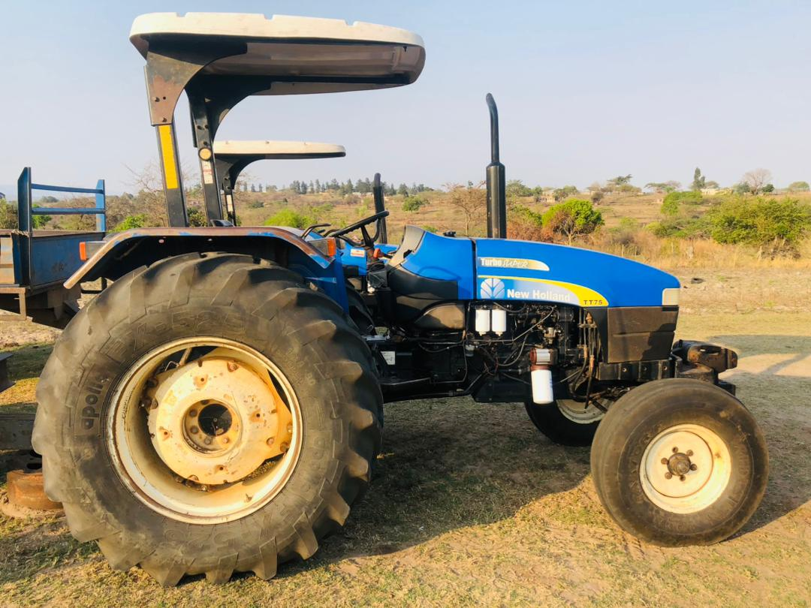
ICBC Ploughing Project
 | Completed
Name of ICBC: | Msahweni ICBC |  |  | Name of Pastor | Themba Shabangu
Contractor's Full Name | Sabelo Thulani Makhunga |  |  | Contractor's ID Number | 8808096100092
Bank | Standard Bank |  |  | Account Holder's Name | Sabelo Thulani Makhunga
Branch Code | 111010 |  |  | Account Number | 91100006487818
Swift Code | SBICSZMX

Community Member’s Name & Surname | Contact Details | Date | Start Time (Date & Time) | Completion time (Date & Time) | Number of Hours | Actual Number of Hours | Amount | Location
KaGwebu | 7680997 |  |  |  |  | 1 | 200.00 | Maputo
Gogo Nkhosi | 76664426 |  |  |  |  | 1 | 200.00 | Maputo
Gogo Nkhambule | 76320387 |  |  |  |  | 1 | 200.00 | Maputo
Gogo Malambe |  |  |  |  |  | 1 | 200.00 | Maputo
Fanaleni Dlamini |  |  |  |  |  | 1 | 200.00 | Maputo
Gogo LaFofofo |  |  |  |  |  | 1 | 200.00 | Maputo
Ntombi Mavuso | 76681597 |  |  |  |  | 2 | 400.00 | Maputo
Make Gwebu | 78032888 |  |  |  |  | 1 | 200.00 | Timpisini
Make Dlamini | 78898946 |  |  |  |  | 1 | 200.00 | Timpisini
Make Gwebu | 76547367 |  |  |  |  | 2 | 400.00 | Timpisini
Make Mdluli | 76262191 |  |  |  |  | 1 | 200.00 | Timpisini
Gogo Ndlovu | 76034982 |  |  |  |  | 1 | 200.00 | Timpisini
Gcina Dlamini | 78242123 |  |  |  |  | 0.5 | 100.00 | Timpisini
KaShabangu | 78354320 |  |  |  |  | 1.5 | 300.00 | Timpisini
Sibeko | 76510184 |  |  |  |  | 1 | 200.00 | Timpisini
Make T. Thambokulu | 76305102 |  |  |  |  | 0.5 | 100.00 | Luhlekweni Centre
Gogo Mavuso - LaFakudze | 78538219 |  |  |  |  | 1 | 200.00 | Luhlekweni Centre
Gogo Motsa - Nicholus | 76310821 |  |  |  |  | 2 | 400.00 | Luhlekweni Centre
Gogo Shongwe - NaboDzaka | 76811647 |  |  |  |  | 1 | 200.00 | Luhlekweni Centre
KaSimelane - Mkhulisi | 76614453 |  |  |  |  | 0.5 | 100.00 | Luhlekweni Centre
Gogo Ndlela | 76600492 |  |  |  |  | 2 | 400.00 | Luhlekweni Centre
KaKunene - Gogo Khumalo |  |  |  |  |  | 2 | 400.00 | Luhlekweni Centre
KaGumedze - Sanele | 76737415 |  |  |  |  | 0.5 | 100.00 | Luhlekweni Centre
KaNdwandwe - Nkhosingiphile | 76526577 |  |  |  |  | 1 | 200.00 | Luhlekweni Centre
KaKunene - Khabo Sbahle | 76944143 |  |  |  |  | 0.5 | 100.00 | Luhlekweni Centre
Babe Vusi Dlamini |  |  |  |  |  | 1 | 200.00 | Emtjweza
Gogo Khelina | 78475928 |  |  |  |  | 2 | 400.00 | Emtjweza
Njabulo Mondlane | 78157787 |  |  |  |  | 1 | 200.00 | Emtjweza
KaMamba KhaboWanele | 76905461 |  |  |  |  | 1 | 200.00 | Luhlekweni Esihlahleni
Gcina Vilane | 7712310 |  |  |  |  | 0.5 | 100.00 | Emtjweza
Sikhulu Mamba |  |  |  |  |  | 1 | 200.00 | Emtjweza
Gogo Malambe |  |  |  |  |  | 1 | 200.00 | Luhlekweni
Sikhonkhonono Magagula | 78281201 |  |  |  |  | 1 | 200.00 | Luhlekweni Esihlahleni
Induna Dlamini | 76960422 |  |  |  |  | 1 | 200.00 | Luhlekweni
Gogo laMayisa Mdluli |  |  |  |  |  | 1 | 200.00 | Luhlekweni Entsabeni
Babe Musa Tfwala |  |  |  |  |  | 1.5 | 300.00 | Luhlekweni Entsabeni
Tfwala Mfanzile | 79086305 |  |  |  |  | 1 | 200.00 | Luhlekweni
Nsimango Sibusiso |  |  |  |  |  | 1 | 200.00 | Luhlekweni
Ginindza Thandi |  |  |  |  |  | 1 | 200.00 | Luhlekweni
KaTfwala KhaboMthunzi |  |  |  |  |  | 2 | 400.00 | Luhlekweni
Make Fakudze laMpila |  |  |  |  |  | 1 | 200.00 | Timpisini
Gogo Masilela |  |  |  |  |  | 0.5 | 100.00 | Timpisini
Gogo Magagula |  |  |  |  |  | 1 | 200.00 | Timpisini
Pastor J. Khumalo | 76510828 |  |  |  |  | 1 | 200.00 | Msahweni
Make Anna Mtfupha |  |  |  |  |  | 1 | 200.00 | Msahweni
Babe Magagula | 76960422 |  |  |  |  | 1 | 200.00 | Kamajaji
Mnciniseli Dlamini | 76214434 |  |  |  |  | 0.5 | 100.00 | Kamajaji
 |  |  |  |  |  |  | 0.00
 |  |  |  | Total | 0 | 51 | 10,200.00
 |  |  |  | Total number of fields ploughed | 47

 |  |  | Checked By
 |  |  | Signature
 |  |  | Date

Njakeni
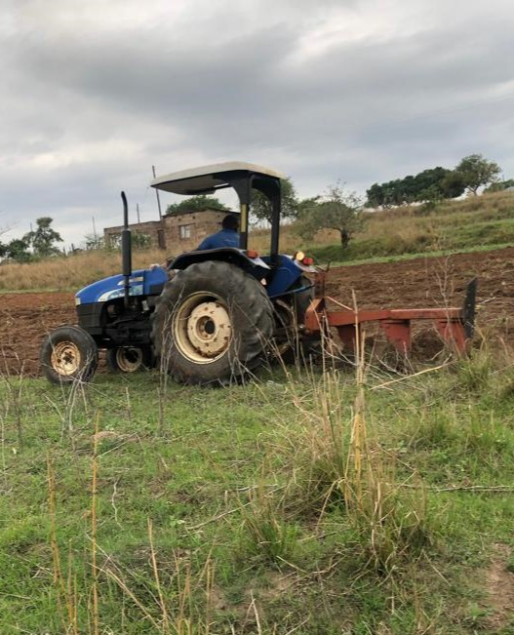
ICBC Ploughing Project
 | Completed
Name of ICBC: | Njakeni ICBC |  |  | Name of Pastor | Morris Ginindza
Contractor's Full Name | Sabelo Thulani Makhunga |  |  | Contractor's ID Number
Bank | Standard Bank |  |  | Account Holder's Name | Sabelo Thulani Makhunga
Branch Code | 111010 |  |  | Account Number | 9110006487818

Community Member’s Name & Surname | Contact Details | Date | Start Time (Date & Time) | Completion time (Date & Time) | Number of Hours | Actual Number of Hours | Amount | Location
Bongani Ngwenya | 76774739 |  |  |  |  | 1
Thembisile Ndwandwe | 76079879 |  |  |  |  | 1 | 200.00
Sisana Ndwandwe | 76219905 |  |  |  |  | 1 | 200.00
Ndala Khumalo | 78361081 |  |  |  |  | 1 | 200.00
Thabiso Dlamini | 76156308 |  |  |  |  | 1 | 200.00
Nonhlanhla Mamba - Njakeni | 76228089 |  |  |  |  | 1 | 200.00
Qinisela Shongwe | 76331847 |  |  |  |  | 1 | 200.00
Mbongiseni Ndlovu | 76238258 |  |  |  |  | 1 | 200.00
Delisa Mndzawe | 78241196 |  |  |  |  | 1 | 200.00
Timothy Dlamini | 76242635 |  |  |  |  | 1 | 200.00
Thembi Lukhele | 76247076 |  |  |  |  | 1 | 200.00
Nonhlanhla Mamba - Mbasheni | 78102675 |  |  |  |  | 2 | 400.00
Apollo Mamba | 76351055 |  |  |  |  | 2 | 400.00
Bonginkhosi Mamba | 76522519 |  |  |  |  | 1 | 200.00
Elvis Ginindza | 76036721 |  |  |  |  | 1 | 200.00
Mrs Ndlovu | 76236673 |  |  |  |  | 1 | 200.00
Sipho Masuku | 76180897 |  |  |  |  | 1 | 200.00
Jabu Dlamini | 76348380 |  |  |  |  | 1 | 200.00
Hanger Mkhabela | 76628470 |  |  |  |  | 1 | 200.00
Miriam Ngoma | 76314818 |  |  |  |  | 1 | 200.00
Nqobile Dlamini | 76526558 |  |  |  |  | 1 | 200.00
Mlandvo Mabuza | 76868290 |  |  |  |  | 1 | 200.00
Magusha Mabuza | 78051739 |  |  |  |  | 1 | 200.00
Musa Magagula | 79802227 |  |  |  |  | 1 | 200.00
Tryphinah Maseko | 78267230 |  |  |  |  | 1 | 200.00
Seluselwe Tfwala | 76369773 |  |  |  |  | 1 | 200.00
Moses Hlatjwayo | 76694614 |  |  |  |  | 2 | 400.00
Fakudze Dorcus | 78898570 |  |  |  |  | 2 | 400.00
Alice Mdluli | 76777474 |  |  |  |  | 3 | 600.00
Mr Simelane | 76065566 |  |  |  |  | 1 | 200.00
Mduduzi Mdluli | 76241964 |  |  |  |  | 2 | 400.00
Norha Dlamini | 76454581 |  |  |  |  | 1 | 200.00
Celmusa Mamba | 78314544 |  |  |  |  | 1 | 200.00
Lomacobola Ginindza | 76482376 |  |  |  |  | 1 | 200.00
Mlungisi Mamba | 76335293 |  |  |  |  | 1 | 200.00
Mthini Dlamini | 78531216 |  |  |  |  | 1 | 200.00
KaMhlanga | 76694614 |  |  |  |  | 2 | 400.00
Babe Ndlela | 76236156 |  |  |  |  | 1 | 200.00
Velaphi Malaza | 76820271 |  |  |  |  | 1 | 200.00
Comfort Kunene | 76031601 |  |  |  |  | 1 | 200.00
Themba Simelane | 79494888 |  |  |  |  | 2 | 400.00
 |  |  |  | Total | 0 | 50 | 9,800.00
 |  |  |  | Total number of fields ploughed | 40

 |  |  | Checked By
 |  |  | Signature
 |  |  | Date

Nyathela
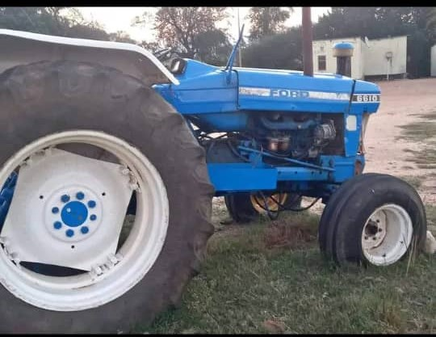
ICBC Ploughing Project
 | Completed
Name of ICBC: | Nyathela ICBC |  |  | Name of Pastor | Velaphi Sithole
Contractor's Full Name | Xolani Abel Ndzinisa |  |  | Contractor's ID Number | 9712306100190
Bank | First National Bank |  |  | Account Holder's Name | Xolani Abel Ndzinisa
Branch Code |  |  |  | Account Number | E-wallet: 7695 8978

Community Member’s Name & Surname | Contact Details | Date | Start Time (Date & Time) | Completion time (Date & Time) | Number of Hours | Actual Number of Hours | Amount | Location
Tiyandza Mahlalela | 76767142 |  |  |  | 2 |  | 0.00
Obert Silindza | 76424394 |  |  |  | 2 |  | 0.00
Antony Ndzinisa | 78165050 | 2025-12-07 | 15:30:00 | 16:30:00 | 1 | 1 | 200.00
Themba Matsenjwa | 78367294 | 2025-11-07 | 7:30:00 | 8:30:00 | 1 | 1 | 200.00
Mr Matsenjwa Zungu | 76279789 | 2025-11-06 | 10:30:00 | 12:30:00 | 2 | 2 | 400.00
Irene Tsabedze | 76359331 | 2025-11-25 | 7:15:00 | 9:15:00 | 2 | 2 | 400.00
Mr Nkambule Junior |  |  |  |  | 3 |  | 0.00
Maria Makama | 78156136 |  |  |  | 6 |  | 0.00
Celiwe Magongo | 7903818 | 2025-11-10 | 7:15:00 | 9:15:00 | 2 | 2 | 400.00
Gelane Shiba | 76304811 | 2025-11-10 | 6:30:00 | 8:30:00 | 2 | 2 | 400.00
Tibusiso Kunene | 76400398 |  |  |  | 1 |  | 0.00
Gcinangaye Shongwe | 76673305 | 2025-11-07 | 14:45:00 | 15:45:00 | 1 | 1 | 200.00
Leonard Mkhwanazi | 76646522 | 2025-11-13 | 2025-11-13 11:00:00 | 12/7/2025 | 2 | 2 | 400.00
Shakes Vilane | 76248190 | 2025-11-22 | 6:30:00 | 7:30:00 | 1 | 1 | 200.00
Khulu Ndzinisa |  |  |  |  | 3 |  | 0.00
Themba Matsebula | 76331272 | 2025-11-10 | 14:00:00 | 15:00:00 | 1 | 1 | 200.00
Nomcebo Dvuba | 76632082 | 2025-11-15 | 7:00:00 | 9:00:00 | 2 | 2 | 400.00
Mrs Golden | 76892927 |  |  |  | 1 |  | 0.00
Mr Sihlelelwe Magongo | 78116833 |  |  |  | 1 |  | 0.00
Maria Shongwe | 78168307 | 2025-11-06 | 06 November 2025, 13:10:00 PM | 13 November 2025, 15:15:00 PM | 3 | 3 | 600.00
Hlonie Simelane | 76180376 | 2025-11-13 | 9:45:00 | 10:45:00 | 1 | 1 | 200.00
Awande Shongwe | 76438979 | 2025-11-07 | 9:00:00 | 10:00:00 | 1 | 1 | 200.00
Magiyiwe Magagula | 76919726 | 2025-12-07 | 6:00:00 | 7:00:00 | 1 | 1 | 200.00
Mahle Ndzinisa |  |  |  |  | 4 |  | 0.00
Zinhle Vilane | 76288959/76542728 | 2025-12-06 | 6:00:00 | 10:00:00 | 2 | 4 | 800.00
Sipho Dlamini |  | 2025-11-15 | 10:00:00 | 12:00:00 |  | 2 | 400.00
Tandzile Gamedze |  | 2025-11-15 | 14:00:00 | 15:00:00 |  | 1 | 200.00
Reeva Mbhamali |  | 2025-11-22 | 15:00:00 | 17:00:00 |  | 2 | 400.00
Simangele Vilakati |  | 2025-11-25 | 11:00:00 | 15:00:00 |  | 4 | 800.00
Maria Makama | 78156130 | 2025-11-30 | 11:15:00 | 17:15:00 |  | 6 | 1,200.00
Dudu Tsabedze | 76204390 | 2025-12-02 | 12/2/2025 | 12/7/2025 |  | 2 | 400.00
Sibongile Tsabedze |  | 2025-12-02 | 14:30:00 | 15:30:00 |  | 1 | 200.00
Make Sihlongonyane | 78214740 | 2025-12-02 | 8:00:00 | 11:00:00 |  | 3 | 600.00
Philsiwe Masimula | 76570537 | 2025-12-06 | 11:00:00 | 12:00:00 |  | 1 | 200.00
Celiwe Dvuba |  | 2025-12-07 | 8:30:00 | 9:30:00 |  | 1 | 200.00
 |  |  |  |  |  |  | 0.00
 |  |  |  | Total | 48 | 50 | 10,000.00
 |  |  |  | Total number of fields ploughed | 26
 |  |  | Checked By
 |  |  | Signature
 |  |  | Date

Nsubane
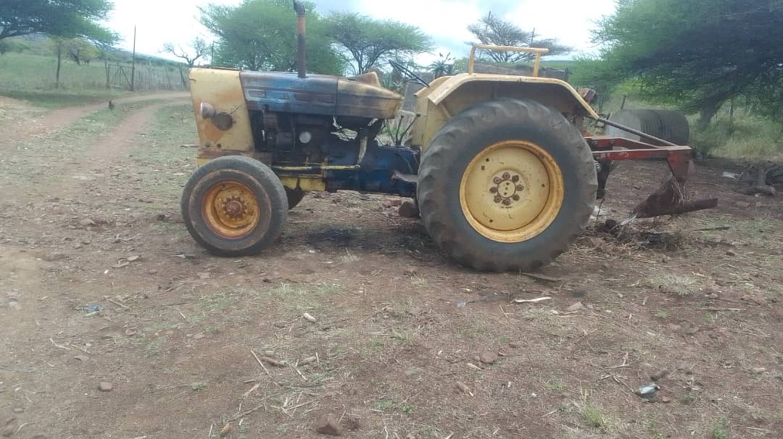
ICBC Ploughing Project
 | Completed
Name of ICBC: | Nsubane ICBC |  |  | Name of Pastor | Ncamsile Ndwandwe
Contractor's Full Name | Hezekiel S. Dlamini |  |  | Contractor's ID Number | 5604046100305
Bank | First National Bank |  |  | Account Holder's Name | Hezekiel S. Dlamini |  |  |  | 5,400.00
Branch Code | 287364 |  |  | Account Number | 62009551567

Community Member’s Name & Surname | Contact Details | Date | Start Time (Date & Time) | Completion time (Date & Time) | Number of Hours | Actual Number of Hours | Amount | Location
Roster Gina | 76768361 |  |  |  |  | 2 | 400.00
Khanyisile Ndwandwe | 76384373 |  |  |  |  | 3 | 600.00
Goodness Dlamini | 76076623 |  |  |  |  | 1 | 200.00
Fikile Ndwandwe |  |  |  |  |  | 3 | 600.00
Nsubane ICBC | 76384373 |  |  |  |  | 4 | 800.00
Winile Gina | 76707424 |  |  |  |  | 2 | 400.00
Lindani Ndwandwe | 76464456 |  |  |  |  | 2 | 400.00
Ncobile Dlamini |  |  |  |  |  | 2 | 400.00
Rejoice Mkhatshwa |  |  |  |  |  | 2 | 400.00
Sabelo Gina | 76122450 |  |  |  |  | 3 | 600.00
Martha Dlamini | 76288268 |  |  |  |  | 2 | 400.00
Ntombenhle Mabuyakhulu | 76384373 |  |  |  |  | 2 | 400.00
Bongani Gina | 76361147 |  |  |  |  | 3 | 600.00
Thulisile Ndwandwe | 76374865 |  |  |  |  | 2 | 400.00
Gcina Ndwandwe |  |  |  |  |  | 2 | 400.00
 |  |  |  |  |  |  | 0.00
 |  |  |  |  |  |  | 0.00
 |  |  |  |  |  |  | 0.00
 |  |  |  |  |  |  | 0.00
 |  |  |  |  |  |  | 0.00
 |  |  |  | Total | 0 | 35 | 7,000.00
 |  |  |  | Total number of fields ploughed | 15

 |  |  | Checked By
 |  |  | Signature
 |  |  | Date

Sigombeni
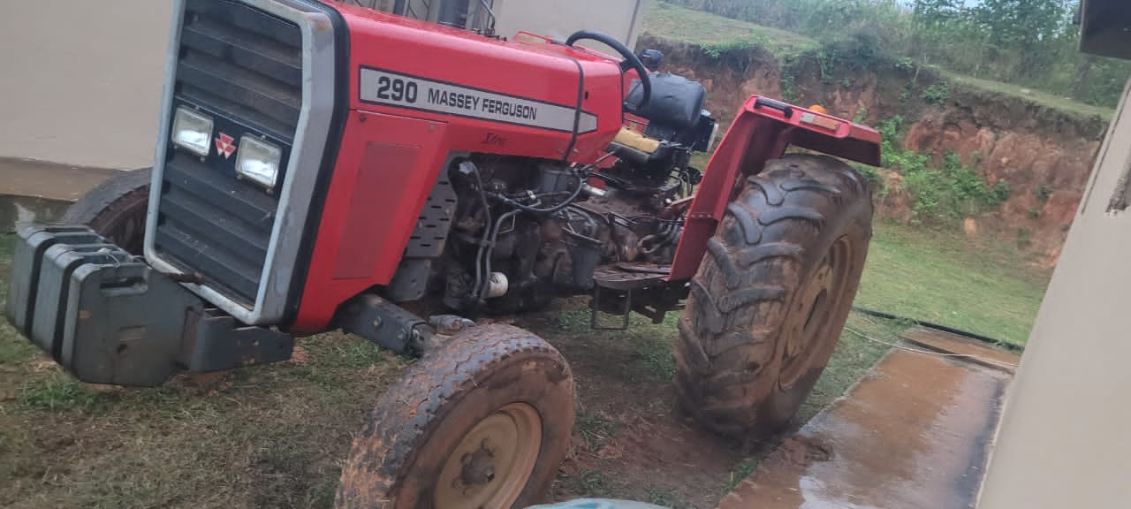
ICBC Ploughing Project
 | Completed
Name of ICBC: | Sigombeni ICBC |  |  | Name of Pastor | Sabelo Molefe
Contractor's Full Name | Doctor Banda Dlamini |  |  | Contractor's ID Number | 7607276100273
Bank | First National Bank |  |  | Account Holder's Name | Doctor Banda Dlamini
Branch Code | 283164 SIMUNYE |  |  | Account Number | 628 241 10879

Community Member’s Name & Surname | Contact Details | Date | Start Time (Date & Time) | Completion time (Date & Time) | Number of Hours | Actual Number of Hours | Amount | Location
Make Gulwako | 78416560 | 18/11/25 |  |  |  | 2 | 400.00
Mapidi Jele | 78578610 |  |  |  |  | 2 | 400.00
Mampela Gama | 76372638 |  |  |  |  | 1 | 200.00
Make Lushaba | 76238865 |  |  |  |  | 1 | 200.00
Sabelo Jele | 76119841 |  |  |  |  | 2 | 400.00
Lindiwe Jele | 76256491 | 27/11/25 |  |  |  | 2 | 400.00
Gogo Ndzimandze | 76175108 |  |  |  |  | 2 | 400.00
Lomakhala Dlamini | 76805389 |  |  |  |  | 1 | 200.00
Gogo Matsebula | 76413556 |  |  |  |  | 2 | 400.00
Sabelo Dlamini |  |  |  |  |  | 1 | 200.00
Mduduzi Gama | 76116572 |  |  |  |  | 1 | 200.00
Babe Thenasi | 76631816 |  |  |  |  | 1 | 200.00
Celiwe Kunene | 76504433 |  |  |  |  | 1 | 200.00
Fana Simelane | 76239227 |  |  |  |  | 1 | 200.00
Sphelele Nkambule |  |  |  |  |  | 1 | 200.00
Bhekithemba Dlamini | 76580985 |  |  |  |  | 2 | 400.00
Ncobile Simelane | 76650864 |  |  |  |  | 1 | 200.00
Mndeni Mabuza |  |  |  |  |  | 1 | 200.00
Jika Lukhele | 78559189 |  |  |  |  | 1 | 200.00
Lumbi Dlamini | 78490505 |  |  |  |  | 2 | 400.00
Mr Mkhaliphi | 76505814 |  |  |  |  | 1 | 200.00
LaNtsetfwa |  |  |  |  |  | 1 | 200.00
Mr Masilela | 76885659 |  |  |  |  | 1 | 200.00
Make Mamba | 79911515 |  |  |  |  | 1 | 200.00
Mr Makhukhula | 78182124 |  |  |  |  | 1 | 200.00
Umphakatsi |  |  |  |  |  | 1 | 200.00
Melusi Madzinane | 76513533 |  |  |  |  | 1 | 200.00
Mfunwa Mkhatjwa | 76117651 |  |  |  |  | 1 | 200.00
Make Quma |  |  |  |  |  | 1 | 200.00
Babe Boy | 76773506 |  |  |  |  | 1 | 200.00
Bishop Magongo | 76319288 |  |  |  |  | 1 | 200.00
Mr Kwanyane | 76821015 |  |  |  |  | 1 | 200.00
Thulani Dlamini | 76156637 |  |  |  |  | 3 | 600.00
Cebsile Ntjangase | 76883148 |  |  |  |  | 1 | 200.00
Gogo Sangweni | 76481311 |  |  |  |  | 1 | 200.00
Ndoda Jele | 76422328 |  |  |  |  | 1 | 200.00
Make Mdluli | 76284865 |  |  |  |  | 1 | 200.00
Babe Mkhonta | 76089129 |  |  |  |  | 1 | 200.00
Thulani Conco | 76129705 |  |  |  |  | 1 | 200.00
Make Lomthantazo | 78578650 |  |  |  |  | 1 | 200.00
 |  |  |  |  |  |  | 0.00
 |  |  |  | Total | 0 | 50 | 10,000.00
 |  |  |  | Total number of fields ploughed | 40

 |  |  | Checked By
 |  |  | Signature
 |  |  | Date

Sigengeni
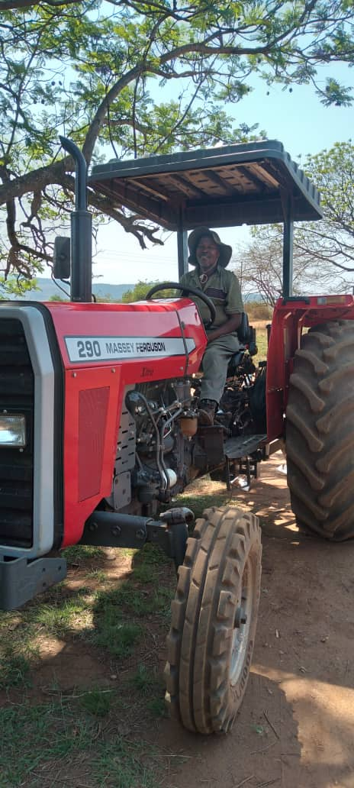
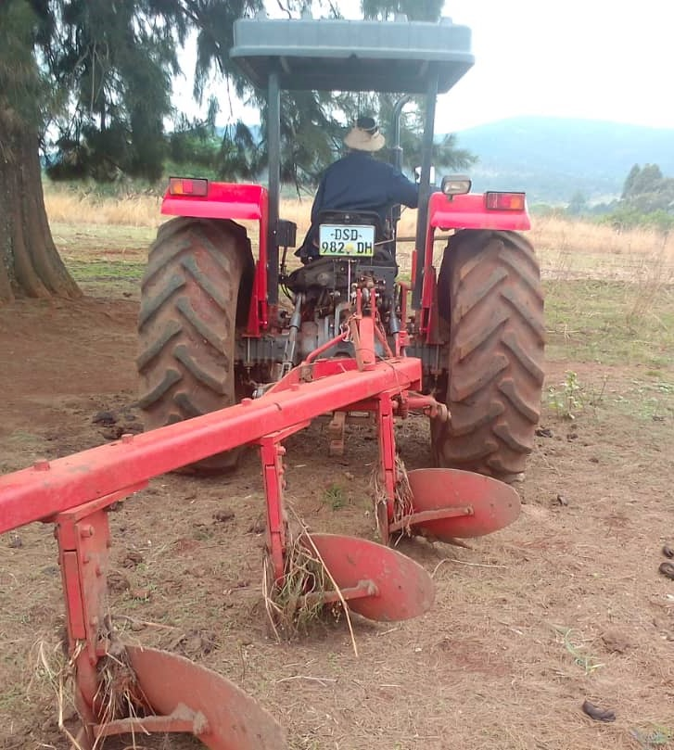
ICBC Ploughing Project
 | Completed
Name of ICBC: | Sigengeni ICBC |  |  | Name of Pastor | Samkeliso Fakudze
Contractor's Full Name | Nomcebo B. Simelane |  |  | Contractor's ID Number | 6210141100023
Bank | First National Bank |  |  | Account Holder's Name | Nomcebo B. Simelane
Branch Code | 282064 |  |  | Account Number | 62023477004

Community Member’s Name & Surname | Contact Details | Date | Start Time (Date & Time) | Completion time (Date & Time) | Number of Hours | Actual Number of Hours | Amount | Location
Wendy Hlatshwayo | 76227079 | 13.10.2025 | 6:19:00 | 10:19:00 |  | 4 | 800.00
Celumusa Simelane | 76459030 | 13.10.2025 | 11:00:00 | 14:00:00 |  | 3 | 600.00
Gugu Dlamini | 78625317 | 13.10.2025 | 15:00:00 | 16:00:00 |  | 1 | 200.00
Philile Dlamini | 76501958 | 13.10.2025 | 17:00:00 | 19:00:00 |  | 2 | 400.00
Simile Simelane | 76194758 | 14.10.2025 | 5:57:00 | 10:57:00 |  | 5 | 1,000.00
Nkosingiphile Simelane | 76459964 | 14.10.2025 | 11:20:00 | 14:20:00 |  | 3 | 600.00
Siniketiwe Dlamini | 76965754 | 14.10.2025 | 14:30:00 | 16:00:00 |  | 1.5 | 300.00
Setsabile Dlamini | 76583125 | 14.10.2025 | 16:05:00 | 17:05:00 |  | 1 | 200.00
Zanele Simelane | 76673420 | 14.10.2025 | 17:36:00 | 18:36:00 |  | 1 | 200.00
Phumzile Dube | 78115146 | 15.10.2025 | 8:30:00 | 10:30:00 |  | 2 | 400.00
Lungile Ndwandwe | 76277866 | 15.10.2025 | 10:30:00 | 13:30:00 |  | 3 | 600.00
Thabsile Simelane | 76889125 | 15.10.2025 | 16:00:00 | 18:00:00 |  | 2 | 400.00
Ntombifuthi Simelane | 78164281 | 16.10.2025 | 8:10:00 | 9:40:00 |  | 1.5 | 300.00
Siphilile Khoza | 78558518 | 16.10.2025 | 9:50:00 | 12:50:00 |  | 3 | 600.00
Nothando Ndlangamandla | 78058619 | 16.10.2025 | 13:30:00 | 16:30:00 |  | 3 | 600.00
Cashile Simelane | 76288315 | 16.10.2025 | 17:00:00 | 18:00:00 |  | 1 | 200.00
Mduduzi Siziba | 76279019 | 11.11.2025 | 4:00:00 | 8:00:00 |  | 4 | 800.00
Mlungisi Ndlangamandla |  | 11.11.2025 | 8:00:00 | 9:00:00 |  | 1 | 200.00
Gugu Dlamini | 78625317 | 11.11.2025 | 9:00:00 | 10:00:00 |  | 1 | 200.00
Khetsiwe Vilakati | 76226783 | 11.11.2025 | 10:00:00 | 11:00:00 |  | 1 | 200.00
Phephile Simelane |  | 11.11.2025 | 12:00:00 | 14:00:00 |  | 2 | 400.00
Gladys Simelane | 76619675 | 11.11.2025 | 14:30:00 | 15:30:00 |  | 1 | 200.00
Lungile Ndwandwe | 76277866 | 12:11.2025 | 9:10:00 | 10:10:00 |  | 1 | 200.00
Phetsile Mdziniso | 78427796 | 12:11.2026 | 11:00:00 | 12:00:00 |  | 1 | 200.00
King Simelane | 76673420 | 12:11.2027 | 13:00:00 | 14:00:00 |  | 1 | 200.00
 |  |  |  |  |  |  | 0.00
 |  |  |  |  |  |  | 0.00
 |  |  |  |  |  |  | 0.00
 |  |  |  |  |  |  | 0.00
 |  |  |  |  |  |  | 0.00
 |  |  |  |  |  |  | 0.00
 |  |  |  |  |  |  | 0.00
 |  |  |  |  |  |  | 0.00
 |  |  |  |  |  |  | 0.00
 |  |  |  |  |  |  | 0.00
 |  |  |  | Total | 0 | 50 | 10,000.00
 |  |  |  | Total number of fields ploughed | 25

 |  |  | Checked By
 |  |  | Signature
 |  |  | Date

Tibane
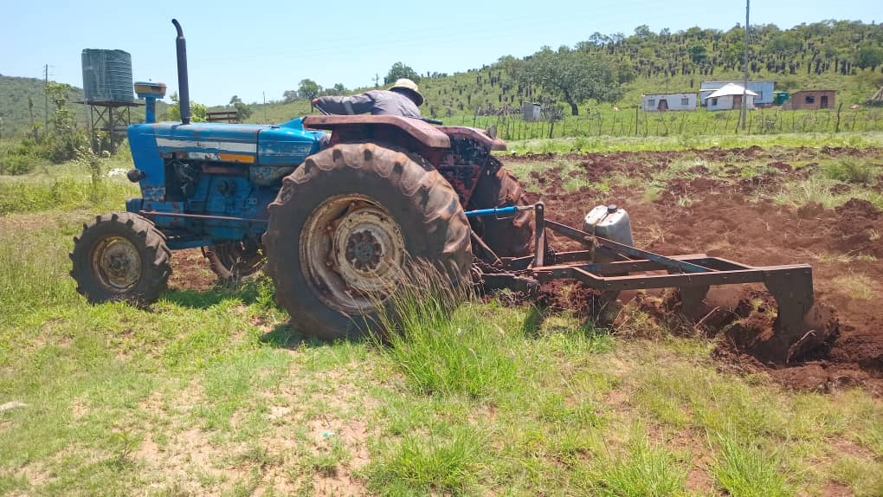
ICBC Ploughing Project
 | Completed
Name of ICBC: | Tibane ICBC |  |  | Name of Pastor | Goodman Mamba
Contractor's Full Name | Mfanzile S Dlamini |  |  | Contractor's Number | 78163415
Bank | FNB |  |  | Account Holder's Name | Mabhila Elias Mashaba
Branch Code |  |  |  | Account Number | 63180498785

Community Member’s Name & Surname | Contact Details | Date | Start Time (Date & Time) | Completion time (Date & Time) | Number of Hours | Actual Number of Hours | Amount | Location
Vukani Kunene | 76175181 | 11/5/2025 | 7:00:00 | 17:00:00 |  | 1 | 200.00
Sethabile Myeni | 76447625 | 11/5/2025 | 7:00:00 | 17:00:00 |  | 2 | 400.00
Bhekithemba Sihlongonyane | 78443180 | 11/5/2025 | 11/8/2025 | 11/13/2025 |  | 5 | 1,000.00
Fikelephi Gumbi | 78680159 | 11/6/2025 | 7:00:00 | 16:30:00 |  | 2 | 400.00
Dumsile Mamba | 76172716 | 11/6/2025 | 11/6/2025 | 12/5/2025 |  | 3 | 600.00
Ntokozo Tsabedze | 76967141 | 11/6/2025 | 11/6/2025 | 11/27/2025 |  | 5 | 1,000.00
Nokwanda Ndzabandzaba | 76395649 | 11/8/2025 | 11/8/2025 | 11/25/2025 |  | 3 | 600.00
Bafana Simelane | 78401824 | 11/8/2025 | 6:00:00 | 18:00:00 |  | 1 | 200.00
Jeremiya Zwane | 76792117 | 11/8/2025 | 11/8/2025 | 12/5/2025 |  | 4 | 800.00
Linda Gumede | 78014499 | 11/8/2025 | 11/8/2025 | 11/25/2025 |  | 2 | 400.00
Philisiwe Mngometulu | 76771819 | 11/10/2025 | 11/10/2025 | 11/27/2025 |  | 4 | 800.00
Aslinah Khumalo | 76755366 | 11/13/2025 | 11/13/2025 | 12/5/2025 |  | 3 | 600.00
Vusi Mamba | 7611 5020 | 11/13/2025 | 7:00:00 | 14:26:00 |  | 3 | 600.00
Sifiso Simelane | 76083602 | 11/25/2025 | 7:20:00 | 16:40:00 |  | 2 | 400.00
Mthandi Dlamini | 76987656 | 11/27/2025 | 5:00:00 | 18:30:00 |  | 2 | 400.00
Nkokhelo Simelane | 78423937 | 11/27/2025 | 11/27/2025 | 12/5/2025 |  | 4 | 800.00
Siyabonga Simelane | 78123358 | 11/27/2025 | 5:00:00 | 18:30:00 |  | 2 | 400.00
Hlengiwe Magwaza | 76270477 | 12/5/2025 | 5:30:00 | 16:30:00 |  | 2 | 400.00
 |  |  |  |  |  |  | 0.00
 |  |  |  |  |  |  | 0.00
 |  |  |  | Total | 0 | 50 | 10,000.00
 |  |  |  | Total number of fields ploughed | 18

 |  |  | Checked By
 |  |  | Signature
 |  |  | Date

